10 uM
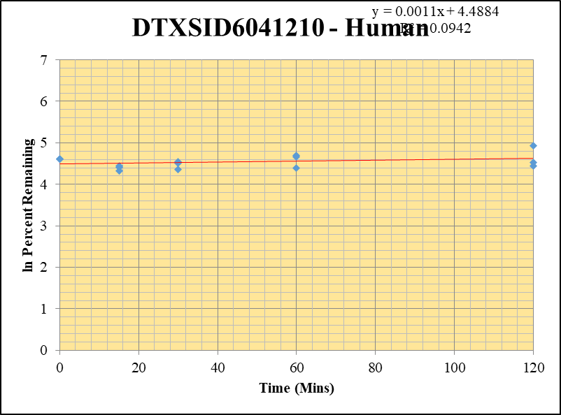
SampleName | CompoundName | Transition | Area | ISTD Area | ISTDResponseRatio | % Remaining | Time (mins) | ln % Remaining
Blank_5_415 | DTXSID6041210 | 93 | 41308.308814 | 7448115.1903 | 0 |  | Blank not used |  | DTXSID6041210 - Human | 2 |  |  |  | Time (Mins) | % Remaining Replica 1 | % Remaining Replica 2 | % Remaining Replica 3 | Average
Blank_6_416 | DTXSID6041210 | 93 | 57627.591918 | 7110982.4794 | 0 |  |  |  | Time (Mins) | 24 |  |  |  | 120 | 139% | 92% | 84% | 105%
 |  |  |  |  |  |  |  |  | ln Percent Remaining | 38 |  |  |  | 60 | 105% | 81% | 110% | 99%
DTXSID6041210_10uM___120_1_274 | DTXSID6041210 | 93 | 32775.538084 | 9932691.5077 | 0.0032997640225 | 139.17674843 | 120 | 4.9357446968 |  |  | 1 | 120 | 4.9357446968 | 30 | 91% | 78% | 95% | 88%
DTXSID6041210_10uM___120_2_275 | DTXSID6041210 | 93 | 29829.756764 | 12777691.545 | 0.002334518458 | 92.327739329 | 120 | 4.5253446308 |  |  | 2 | 120 | 4.5253446308 | 15 | 83% | 76% | 86% | 81%
DTXSID6041210_10uM___120_3_276 | DTXSID6041210 | 93 | 25811.019168 | 13268710.139 | 0.00194525458 | 84.269515754 | 120 | 4.4340201834 |  |  | 3 | 120 | 4.4340201834 | 0 | 100% | 100% | 100% | 100%
DTXSID6041210_10uM___60_1_277 | DTXSID6041210 | 93 | 25902.215288 | 10363966.964 | 0.0024992568364 | 105.41312579 | 60 | 4.6578871615 |  |  | 4 | 60 | 4.6578871615
DTXSID6041210_10uM___60_2_278 | DTXSID6041210 | 93 | 27120.347238 | 13283069.712 | 0.0020417228718 | 80.747983139 | 60 | 4.3913329852 |  |  | 5 | 60 | 4.3913329852 | Slope | 0.0011
DTXSID6041210_10uM___60_3_279 | DTXSID6041210 | 93 | 27564.504239 | 10884622.472 | 0.0025324263024 | 109.70612299 | 60 | 4.6978051815 |  |  | 6 | 60 | 4.6978051815 | Intercept | 4.49
DTXSID6041210_10uM___30_1_280 | DTXSID6041210 | 93 | 23160.921228 | 10733149.761 | 0.0021578867102 | 91.014888867 | 30 | 4.5110231071 |  |  | 7 | 30 | 4.5110231071 | R2 | 0.094
DTXSID6041210_10uM___30_2_281 | DTXSID6041210 | 93 | 24852.441867 | 12583543.69 | 0.0019749954767 | 78.108985138 | 30 | 4.3581050968 |  |  | 8 | 30 | 4.3581050968 | T½ (mins) | >480
DTXSID6041210_10uM___30_3_282 | DTXSID6041210 | 93 | 22964.792166 | 10502296.161 | 0.0021866448836 | 94.72667864 | 30 | 4.5509956779 |  |  | 9 | 30 | 4.5509956779 | CLint (µl/min/106 cells) | 0.0
DTXSID6041210_10uM___15_1_283 | DTXSID6041210 | 93 | 25362.509368 | 12923262.758 | 0.001962546908 | 82.775888043 | 15 | 4.4161368118 |  |  | 10 | 15 | 4.4161368118 | Comments
DTXSID6041210_10uM___15_2_284 | DTXSID6041210 | 93 | 19991.181905 | 10464727.82 | 0.0019103394038 | 75.551905746 | 15 | 4.3248199134 |  |  | 11 | 15 | 4.3248199134
DTXSID6041210_10uM___15_3_285 | DTXSID6041210 | 93 | 22875.915627 | 11589399.224 | 0.0019738655288 | 85.50895805 | 15 | 4.448621143 |  |  | 12 | 15 | 4.448621143
DTXSID6041210_10uM___0_1_286 | DTXSID6041210 | 93 | 27627.658321 | 11652735.243 | 0.0023709161622 | 100 | 0 | 4.605170186 |  |  | 13 | 0 | 4.605170186
DTXSID6041210_10uM___0_2_287 | DTXSID6041210 | 93 | 27506.153207 | 10878393.077 | 0.0025285125305 | 100 | 0 | 4.605170186 |  |  | 14 | 0 | 4.605170186
DTXSID6041210_10uM___0_3_288 | DTXSID6041210 | 93 | 28675.217654 | 12422264.575 | 0.0023083727995 | 100 | 0 | 4.605170186 |  |  | 15 | 0 | 4.605170186

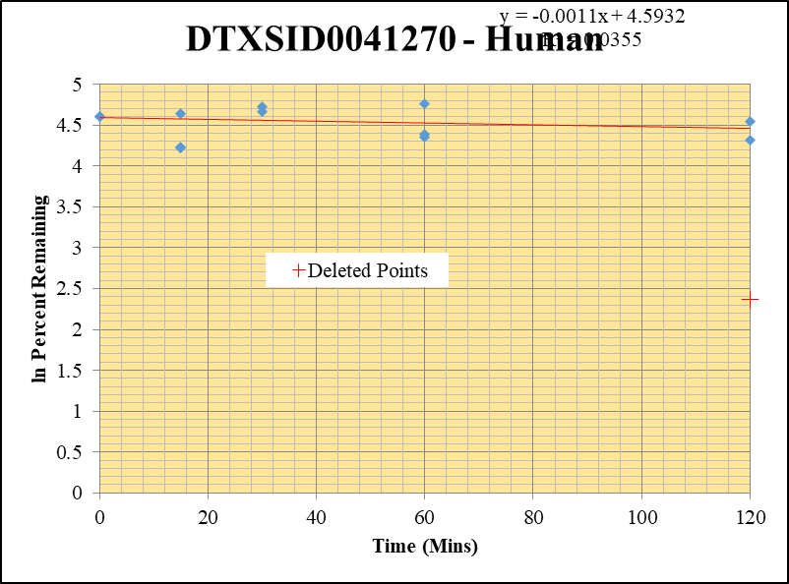
Blank_5_415 | DTXSID0041270 | 57 | 0 | 7448115.1903 | 0 |  |  |  | DTXSID0041270 - Human | 3 |  |  |  | Time (Mins) | % Remaining Replica 1 | % Remaining Replica 2 | % Remaining Replica 3 | Average
Blank_6_416 | DTXSID0041270 | 57 | 0 | 7110982.4794 | 0 |  |  |  | Time (Mins) | 43 |  |  |  | 120 | 94.1% | 74.9% | 10.70% | 84.5%
 |  | 57 |  |  |  |  |  |  | ln Percent Remaining | 57 |  |  |  | 60 | 77.4% | 80.2% | 116.2% | 91.3%
DTXSID0041270_10uM___120_1_58 | DTXSID0041270 | 57 | 1172692591.7 | 11025976.576 | 106.35725404 | 94.140028461 | 120 | 4.5447833383 |  |  | 1 | 120 | 4.5447833383 | 30 | 106.7% | 112.5% | 157.0% | 125.4%
DTXSID0041270_10uM___120_2_59 | DTXSID0041270 | 57 | 980872164.34 | 12190347.497 | 80.463019169 | 74.945591887 | 120 | 4.3167624088 |  |  | 2 | 120 | 4.3167624088 | 15 | 68.7% | 67.6% | 103.8% | 80.0%
DTXSID0041270_10uM___120_3_60 | DTXSID0041270 | 57 | 93024804.325 | 12241894.127 | 7.5988897928 | 10.70312219 | 120 | 2.371 |  |  |  | 60 | 4.3492402327 | 0 | 100% | 100% | 100% | 100%
DTXSID0041270_10uM___60_1_61 | DTXSID0041270 | 57 | 1034744401.4 | 11830123.023 | 87.466918083 | 77.41961968 | 60 | 4.3492402327 |  |  | 4 | 60 | 4.3851142211
DTXSID0041270_10uM___60_2_62 | DTXSID0041270 | 57 | 980086594.66 | 11375835.67 | 86.155129444 | 80.247388637 | 60 | 4.3851142211 |  |  | 5 | 60 | 4.7551776839 | Slope | -0.00109
DTXSID0041270_10uM___60_3_63 | DTXSID0041270 | 57 | 1007369638.1 | 12212420.965 | 82.487300508 | 116.18429541 | 60 | 4.7551776839 |  |  | 6 | 30 | 4.6700794126 | Intercept | 4.59
DTXSID0041270_10uM___30_1_64 | DTXSID0041270 | 57 | 1402232881.7 | 11631551.212 | 120.55424562 | 106.70621592 | 30 | 4.6700794126 |  |  | 7 | 30 | 4.7229702584 | R2 | 0.035
DTXSID0041270_10uM___30_2_65 | DTXSID0041270 | 57 | 1360934528 | 11267487.39 | 120.7842069 | 112.50191665 | 30 | 4.7229702584 |  |  | 8 | 30 | 5.0561479044 | T½ (mins) | 638
DTXSID0041270_10uM___30_3_66 | DTXSID0041270 | 57 | 1317128567.5 | 11817656.773 | 111.4542919 | 156.9846303 | 30 | 5.0561479044 |  |  | 9 | 15 | 4.2298555911 | CLint (µl/min/106 cells) | 2.17
DTXSID0041270_10uM___15_1_67 | DTXSID0041270 | 57 | 881381100.79 | 11354499.632 | 77.623949037 | 68.707309508 | 15 | 4.2298555911 |  |  | 10 | 15 | 4.2135154992 | Comments | Points Deleted: (120,2.3710)
DTXSID0041270_10uM___15_2_68 | DTXSID0041270 | 57 | 931212167.71 | 12831927.016 | 72.569939538 | 67.593748383 | 15 | 4.2135154992 |  |  | 11 | 15 | 4.6425538938
DTXSID0041270_10uM___15_3_69 | DTXSID0041270 | 57 | 903914982.1 | 12264571.638 | 73.701308845 | 103.80912681 | 15 | 4.6425538938 |  |  | 12 | 0 | 4.605170186
DTXSID0041270_10uM___0_1_70 | DTXSID0041270 | 57 | 1403438091.4 | 12422255.827 | 112.97771604 | 100 | 0 | 4.605170186 |  |  | 13 | 0 | 4.605170186
DTXSID0041270_10uM___0_2_71 | DTXSID0041270 | 57 | 1343727646.4 | 12515869.381 | 107.36191035 | 100 | 0 | 4.605170186 |  |  | 14 | 0 | 4.605170186
DTXSID0041270_10uM___0_3_72 | DTXSID0041270 | 57 | 886134400.17 | 12481303.217 | 70.99694517 | 100 | 0 | 4.605170186 |  |  | 15

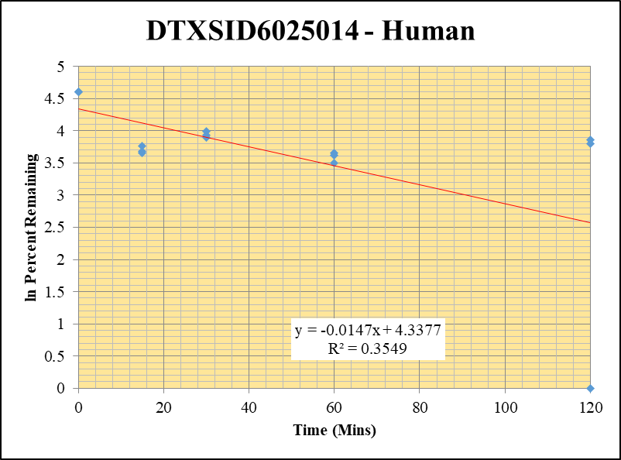
Blank_5_415 | DTXSID6025014 | 125 | 0 | 7448115.1903 | 0 |  |  |  | DTXSID6025014 - Human | 4 |  |  |  | Time (Mins) | % Remaining Replica 1 | % Remaining Replica 2 | % Remaining Replica 3 | Average
Blank_6_416 | DTXSID6025014 | 125 | 0 | 7110982.4794 | 0 |  |  |  | Time (Mins) | 62 |  |  |  | 120 | 47.2% | 44.6% | #VALUE! | 45.9%
 |  |  |  |  |  |  |  |  | ln Percent Remaining | 76 |  |  |  | 60 | 37.2% | 32.9% | 38.8% | 36.3%
DTXSID6025014_10uM___120_1_22 | DTXSID6025014 | 125 | 611126.85749 | 13719774.904 | 0.044543504667 | 47.180529317 | 120 | 3.853981293 |  |  | 1 | 120 | 3.853981293 | 30 | 54.4% | 51.0% | 49.0% | 51.5%
DTXSID6025014_10uM___120_2_23 | DTXSID6025014 | 125 | 586189.05554 | 13331156.257 | 0.043971358841 | 44.593273368 | 120 | 3.7975830263 |  |  | 2 | 120 | 3.7975830263 | 15 | 38.7% | 39.8% | 42.9% | 40.5%
DTXSID6025014_10uM___120_3_24 | DTXSID6025014 | 125 | NF | 9015116.954 | NF | #VALUE! | 120 |  |  |  | 3 | 120 | 0 | 0 | 100% | 100% | 100% | 100%
DTXSID6025014_10uM___60_1_25 | DTXSID6025014 | 125 | 459109.80081 | 13078568.633 | 0.035103979165 | 37.182173484 | 60 | 3.615829439 |  |  | 4 | 60 | 3.615829439
DTXSID6025014_10uM___60_2_26 | DTXSID6025014 | 125 | 402761.2375 | 12412240.148 | 0.03244871455 | 32.907657086 | 60 | 3.4937053689 |  |  | 5 | 60 | 3.4937053689 | Slope | -0.01469
DTXSID6025014_10uM___60_3_27 | DTXSID6025014 | 125 | 513110.81684 | 13167420.475 | 0.038968210805 | 38.789945699 | 60 | 3.6581610816 |  |  | 6 | 60 | 3.6581610816 | Intercept | 4.34
DTXSID6025014_10uM___30_1_28 | DTXSID6025014 | 125 | 686551.00842 | 13368341.417 | 0.051356483725 | 54.396844255 | 30 | 3.9963061422 |  |  | 7 | 30 | 3.9963061422 | R2 | 0.355
DTXSID6025014_10uM___30_2_29 | DTXSID6025014 | 125 | 629096.41556 | 12510797.094 | 0.05028427932 | 50.995481443 | 30 | 3.9317370296 |  |  | 8 | 30 | 3.9317370296 | T½ (mins) | 47
DTXSID6025014_10uM___30_3_30 | DTXSID6025014 | 125 | 682528.63881 | 13874054.455 | 0.049194605732 | 48.969558663 | 30 | 3.8911988533 |  |  | 9 | 30 | 3.8911988533 | CLint (µl/min/106 cells) | 29.4
DTXSID6025014_10uM___15_1_31 | DTXSID6025014 | 125 | 438527.43353 | 12012692.195 | 0.036505341719 | 38.666498248 | 15 | 3.6549735468 |  |  | 10 | 15 | 3.6549735468 | Comments
DTXSID6025014_10uM___15_2_32 | DTXSID6025014 | 125 | 543103.85518 | 13835977.063 | 0.03925301789 | 39.80819796 | 15 | 3.68407287 |  |  | 11 | 15 | 3.68407287
DTXSID6025014_10uM___15_3_33 | DTXSID6025014 | 125 | 575902.99864 | 13362283.688 | 0.043099144732 | 42.901982135 | 15 | 3.7589180285 |  |  | 12 | 15 | 3.7589180285
DTXSID6025014_10uM___0_1_34 | DTXSID6025014 | 125 | 1184332.2524 | 12544460.292 | 0.094410777735 | 100 | 0 | 4.605170186 |  |  | 13 | 0 | 4.605170186
DTXSID6025014_10uM___0_2_35 | DTXSID6025014 | 125 | 1226852.802 | 12442049.512 | 0.098605362469 | 100 | 0 | 4.605170186 |  |  | 14 | 0 | 4.605170186
DTXSID6025014_10uM___0_3_36 | DTXSID6025014 | 125 | 1262557.9764 | 12567822.421 | 0.10045956524 | 100 | 0 | 4.605170186 |  |  | 15 | 0 | 4.605170186

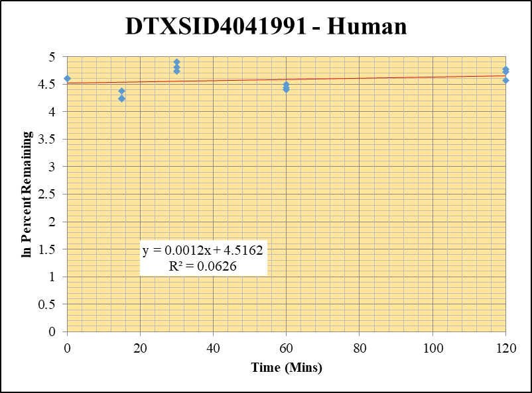
Blank_5_415 | DTXSID4041991 | 93 | 0 | 7448115.1903 | 0 |  |  |  | DTXSID4041991 - Human | 5 |  |  |  | Time (Mins) | % Remaining Replica 1 | % Remaining Replica 2 | % Remaining Replica 3 | Average
Blank_6_416 | DTXSID4041991 | 93 | 0 | 7110982.4794 | 0 |  |  |  | Time (Mins) | 81 |  |  |  | 120 | 113% | 97% | 118.1% | 109.3%
 |  |  |  |  |  |  |  |  | ln Percent Remaining | 95 |  |  |  | 60 | 90% | 84% | 81.8% | 85.3%
DTXSID4041991_10uM___120_1_238 | DTXSID4041991 | 93 | 1748512.4153 | 14514875.186 | 0.12046348266 | 113.21892023 | 120 | 4.7293232916 |  |  | 1 | 120 | 4.7293232916 | 30 | 135% | 113% | 123.1% | 123.9%
DTXSID4041991_10uM___120_2_239 | DTXSID4041991 | 93 | 1567461.645 | 13669331.317 | 0.11466995777 | 96.509555118 | 120 | 4.5696420202 |  |  | 2 | 120 | 4.5696420202 | 15 | 70% | 68% | 79.9% | 72.7%
DTXSID4041991_10uM___120_3_240 | DTXSID4041991 | 93 | 1947592.4344 | 14644530.919 | 0.13299111083 | 118.1089704 | 120 | 4.7716076763 |  |  | 3 | 120 | 4.7716076763 | 0 | 100% | 100% | 100% | 100%
DTXSID4041991_10uM___60_1_241 | DTXSID4041991 | 93 | 1092631.976 | 11463806.158 | 0.095311449002 | 89.579506612 | 60 | 4.495126573 |  |  | 4 | 60 | 4.495126573
DTXSID4041991_10uM___60_2_242 | DTXSID4041991 | 93 | 1249243.7359 | 12448136.275 | 0.10035588527 | 84.462417436 | 60 | 4.4363066714 |  |  | 5 | 60 | 4.4363066714 | Slope | 0.001159
DTXSID4041991_10uM___60_3_243 | DTXSID4041991 | 93 | 1304347.6436 | 14162154.503 | 0.092100933044 | 81.794537296 | 60 | 4.4042104602 |  |  | 6 | 60 | 4.4042104602 | Intercept | 4.52
DTXSID4041991_10uM___30_1_244 | DTXSID4041991 | 93 | 1822244.1125 | 12661040.601 | 0.14392530361 | 135.26976897 | 30 | 4.9072710732 |  |  | 7 | 30 | 4.9072710732 | R2 | 0.0626
DTXSID4041991_10uM___30_2_245 | DTXSID4041991 | 93 | 1775411.3328 | 13171580.855 | 0.13479105905 | 113.44405628 | 30 | 4.7313098192 |  |  | 8 | 30 | 4.7313098192 | T½ (mins)
DTXSID4041991_10uM___30_3_246 | DTXSID4041991 | 93 | 1793995.8135 | 12944195.34 | 0.13859461839 | 123.08542714 | 30 | 4.8128786439 |  |  | 9 | 30 | 4.8128786439 | CLint (µl/min/106 cells) | 0.000
DTXSID4041991_10uM___15_1_247 | DTXSID4041991 | 93 | 990827.53941 | 13354506.657 | 0.074194245051 | 69.732271776 | 15 | 4.2446632203 |  |  | 10 | 15 | 4.2446632203 | Comments
DTXSID4041991_10uM___15_2_248 | DTXSID4041991 | 93 | 976447.37022 | 12003624.563 | 0.081346043865 | 68.463184747 | 15 | 4.2262961518 |  |  | 11 | 15 | 4.2262961518
DTXSID4041991_10uM___15_3_249 | DTXSID4041991 | 93 | 1157972.8563 | 12865757.246 | 0.090004251919 | 79.932481648 | 15 | 4.3811822989 |  |  | 12 | 15 | 4.3811822989
DTXSID4041991_10uM___0_1_250 | DTXSID4041991 | 93 | 1431004.2405 | 13449449.69 | 0.10639872065 | 100 | 0 | 4.605170186 |  |  | 13 | 0 | 4.605170186
DTXSID4041991_10uM___0_2_251 | DTXSID4041991 | 93 | 1440037.7899 | 12119774.8 | 0.11881720689 | 100 | 0 | 4.605170186 |  |  | 14 | 0 | 4.605170186
DTXSID4041991_10uM___0_3_252 | DTXSID4041991 | 93 | 1420525.7093 | 12615642.347 | 0.11260034727 | 100 | 0 | 4.605170186 |  |  | 15 | 0 | 4.605170186

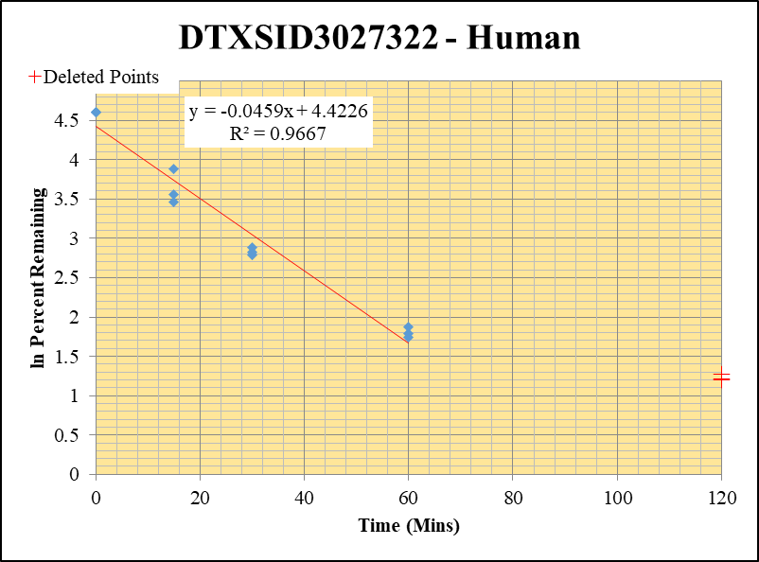
Blank_5_415 | DTXSID3027322 | 58 | 162862.05428 | 7448115.1903 | 0 |  | Blank not used |  | DTXSID3027322 - Human | 6 |  |  |  | Time (Mins) | % Remaining Replica 1 | % Remaining Replica 2 | % Remaining Replica 3 | Average
Blank_6_416 | DTXSID3027322 | 58 | 187910.25908 | 7110982.4794 | 0 |  |  |  | Time (Mins) | 100 |  |  |  | 120 | 3.58% | 3.30% | 3.35%
 |  |  |  |  |  |  |  |  | ln Percent Remaining | 114 |  |  |  | 60 | 6% | 6% | 6% | 6%
DTXSID3027322_10uM___120_1_94 | DTXSID3027322 | 58 | 27905.368372 | 10824990.097 | 0.0025778654874 | 3.5789652312 | 120 | 1.275 |  |  |  | 60 | 1.7894529655 | 30 | 17% | 18% | 16% | 17%
DTXSID3027322_10uM___120_2_95 | DTXSID3027322 | 58 | 32220.687774 | 11901447.166 | 0.0027072915859 | 3.3049456417 | 120 | 1.195 |  |  |  | 60 | 1.870089164 | 15 | 49% | 35% | 32% | 38%
DTXSID3027322_10uM___120_3_96 | DTXSID3027322 | 58 | 28657.625726 | 11385795.604 | 0.0025169629529 | 3.3540940759 | 120 | 1.210 |  |  |  | 60 | 1.7427631129 | 0 | 100% | 100% | 100% | 100%
DTXSID3027322_10uM___60_1_97 | DTXSID3027322 | 58 | 45859.741232 | 10636023.26 | 0.0043117375837 | 5.9861769255 | 60 | 1.7894529655 |  |  | 4 | 30 | 2.8271681263
DTXSID3027322_10uM___60_2_98 | DTXSID3027322 | 58 | 59573.280141 | 11207568.346 | 0.0053154509795 | 6.4888749478 | 60 | 1.870089164 |  |  | 5 | 30 | 2.8830977105 | Slope | -0.0459
DTXSID3027322_10uM___60_3_99 | DTXSID3027322 | 58 | 51252.837647 | 11954844.418 | 0.0042872023971 | 5.7131075948 | 60 | 1.7427631129 |  |  | 6 | 30 | 2.7922426332 | Intercept | 4.42
DTXSID3027322_10uM___30_1_100 | DTXSID3027322 | 58 | 130541.80353 | 10725642.542 | 0.01217100076 | 16.897541303 | 30 | 2.8271681263 |  |  | 7 | 15 | 3.882151192 | R2 | 0.967
DTXSID3027322_10uM___30_2_101 | DTXSID3027322 | 58 | 155210.75919 | 10603217.842 | 0.01463808077 | 17.8695422 | 30 | 2.8830977105 |  |  | 8 | 15 | 3.5531805308 | T½ (mins) | 15.105119324
DTXSID3027322_10uM___30_3_102 | DTXSID3027322 | 58 | 133163.75086 | 10874990.046 | 0.012244953815 | 16.31757313 | 30 | 2.7922426332 |  |  | 9 | 15 | 3.4608826247 | CLint (µl/min/106 cells) | 91.8
DTXSID3027322_10uM___15_1_103 | DTXSID3027322 | 58 | 405781.21998 | 11608933.677 | 0.034954219849 | 48.528496981 | 15 | 3.882151192 |  |  | 10 | 0 | 4.605170186 | Comments | Points Deleted: (120,1.2750) (120,1.1950) (120,1.2100)
DTXSID3027322_10uM___15_2_104 | DTXSID3027322 | 58 | 343125.72593 | 11993774.249 | 0.028608653024 | 34.924218586 | 15 | 3.5531805308 |  |  | 11 | 0 | 4.605170186
DTXSID3027322_10uM___15_3_105 | DTXSID3027322 | 58 | 270755.20371 | 11330080.671 | 0.023897023469 | 31.845071361 | 15 | 3.4608826247 |  |  | 12 | 0 | 4.605170186
DTXSID3027322_10uM___0_1_106 | DTXSID3027322 | 58 | 798697.15548 | 11088667.596 | 0.072028235005 | 100 | 0 | 4.605170186 |  |  | 13
DTXSID3027322_10uM___0_2_107 | DTXSID3027322 | 58 | 1020182.8144 | 12453954.956 | 0.081916372596 | 100 | 0 | 4.605170186 |  |  | 14
DTXSID3027322_10uM___0_3_108 | DTXSID3027322 | 58 | 849662.4762 | 11322565.851 | 0.075041513327 | 100 | 0 | 4.605170186 |  |  | 15

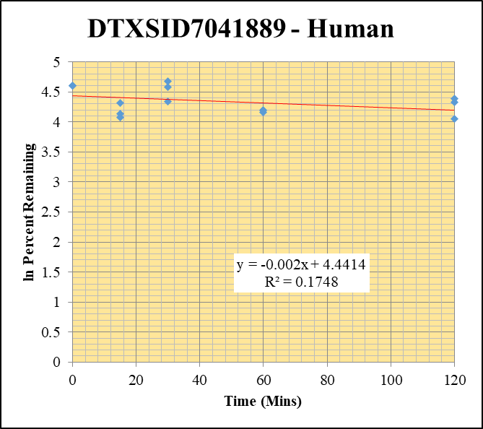
Blank_5_415 | DTXSID7041889 | 94 | 1132956.9732 | 7448115.1903 | 0.15211324533 |  |  |  | DTXSID7041889 - Human | 8 |  |  |  | Time (Mins) | % Remaining Replica 1 | % Remaining Replica 2 | % Remaining Replica 3 | Average
Blank_6_416 | DTXSID7041889 | 94 | 986981.06799 | 7110982.4794 | 0.13879672336 |  |  |  | Time (Mins) | 138 |  |  |  | 120 | 80.3% | 75.8% | 57.7% | 71.3%
 |  |  |  |  |  |  |  |  | ln Percent Remaining | 152 |  |  |  | 60 | 66.0% | 64.4% | 67% | 65.6%
DTXSID7041889_10uM___120_1_382 | DTXSID7041889 | 94 | 26352124.605 | 12823569.314 | 2.0549757997 | 80.293686529 | 120 | 4.3856909943 |  |  | 1 | 120 | 4.3856909943 | 30 | 97.0% | 106.8% | 76% | 93.4%
DTXSID7041889_10uM___120_2_383 | DTXSID7041889 | 94 | 23878220.288 | 12233809.315 | 1.9518221736 | 75.844469869 | 120 | 4.3286847944 |  |  | 2 | 120 | 4.3286847944 | 15 | 75% | 62.3% | 59.0% | 65.3%
DTXSID7041889_10uM___120_3_384 | DTXSID7041889 | 94 | 24456552.979 | 12437036.036 | 1.9664293733 | 57.687342463 | 120 | 4.0550377814 |  |  | 3 | 120 | 4.0550377814 | 0 | 100% | 100% | 100% | 100%
DTXSID7041889_10uM___60_1_385 | DTXSID7041889 | 94 | 20386615.303 | 11881892.187 | 1.7157717796 | 66.030453033 | 60 | 4.1901160452 |  |  | 4 | 60 | 4.1901160452
DTXSID7041889_10uM___60_2_386 | DTXSID7041889 | 94 | 19583584.714 | 11666665.851 | 1.6785930928 | 64.372320183 | 60 | 4.1646837299 |  |  | 5 | 60 | 4.1646837299 | Slope | -0.00204
DTXSID7041889_10uM___60_3_387 | DTXSID7041889 | 94 | 21688143.752 | 9660609.0728 | 2.2450079067 | 66.512538113 | 60 | 4.1973904729 |  |  | 6 | 60 | 4.1973904729 | Intercept | 4.44
DTXSID7041889_10uM___30_1_388 | DTXSID7041889 | 94 | 27248236.194 | 11109186.785 | 2.4527660504 | 97.020419981 | 30 | 4.5749214716 |  |  | 7 | 30 | 4.5749214716 | R2 | 0.175
DTXSID7041889_10uM___30_2_389 | DTXSID7041889 | 94 | 29090563.028 | 10816255.111 | 2.6895226425 | 106.81851619 | 30 | 4.6711312841 |  |  | 8 | 30 | 4.6711312841 | T½ (mins) | 339
DTXSID7041889_10uM___30_3_390 | DTXSID7041889 | 94 | 27908640.41 | 10918889.839 | 2.5559961517 | 76.364453384 | 30 | 4.3355173181 |  |  | 9 | 30 | 4.3355173181 | CLint (µl/min/106 cells) | 4.08
DTXSID7041889_10uM___15_1_391 | DTXSID7041889 | 94 | 21925102.218 | 11407564.824 | 1.9219791916 | 74.70129504 | 15 | 4.3134974285 |  |  | 10 | 15 | 4.3134974285 | Comments
DTXSID7041889_10uM___15_2_392 | DTXSID7041889 | 94 | 19373387.872 | 11884875.262 | 1.6300876067 | 62.335706089 | 15 | 4.1325343931 |  |  | 11 | 15 | 4.1325343931
DTXSID7041889_10uM___15_3_393 | DTXSID7041889 | 94 | 21823933.115 | 10871832.055 | 2.0073832086 | 58.984734637 | 15 | 4.0772786755 |  |  | 12 | 15 | 4.0772786755
DTXSID7041889_10uM___0_1_394 | DTXSID7041889 | 94 | 28737432.974 | 11387360.153 | 2.5236255453 | 100 | 0 | 4.605170186 |  |  | 13 | 0 | 4.605170186
DTXSID7041889_10uM___0_2_395 | DTXSID7041889 | 94 | 28793665.885 | 11393830.126 | 2.5271278899 | 100 | 0 | 4.605170186 |  |  | 14 | 0 | 4.605170186
DTXSID7041889_10uM___0_3_396 | DTXSID7041889 | 94 | 35245175.778 | 10673621.358 | 3.3020822639 | 100 | 0 | 4.605170186 |  |  | 15 | 0 | 4.605170186

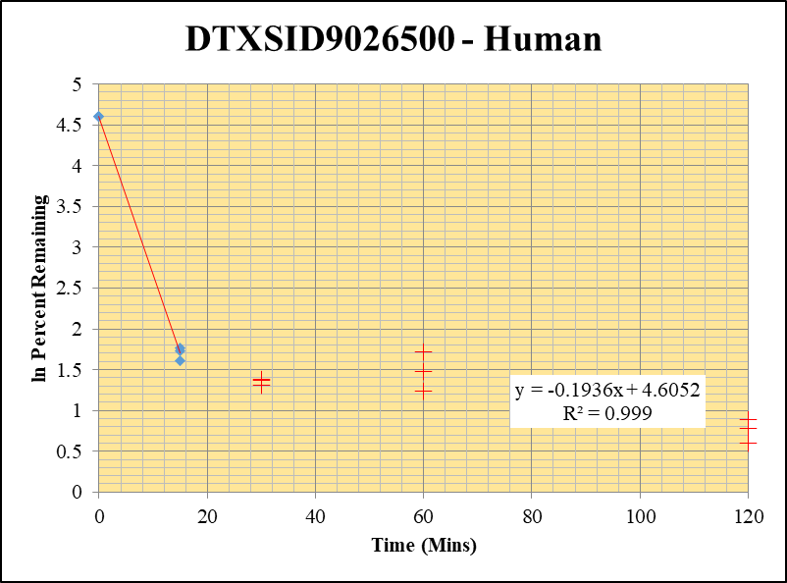
Blank_5_415 | DTXSID9026500 | 189 | 0 | 7448115.1903 | 0 |  |  |  | DTXSID9026500 - Human | 10 |  |  |  | Time (Mins) | % Remaining Replica 1 | % Remaining Replica 2 | % Remaining Replica 3 | Average
Blank_6_416 | DTXSID9026500 | 189 | 0 | 7110982.4794 | 0 |  |  |  | Time (Mins) | 176 |  |  |  | 120 | 2.18% | 1.83% | 2.43%
 |  |  |  |  |  |  |  |  | ln Percent Remaining | 190 |  |  |  | 60 | 3.46% | 5.55% | 4.37%
DTXSID9026500_10uM___120_1_166 | DTXSID9026500 | 189 | 109723.6189 | 12839497.609 | 0.0085457875562 | 2.1762043304 | 120 | 0.778 |  |  |  | 15 | 1.76679848 | 30 | 3.95% | 3.71% | 3.98%
DTXSID9026500_10uM___120_2_167 | DTXSID9026500 | 189 | 121483.60662 | 13276047.624 | 0.0091505853299 | 1.8301401511 | 120 | 0.604 |  |  |  | 15 | 1.6102254384 | 15 | 5.9% | 5.0% | 5.6% | 5.5%
DTXSID9026500_10uM___120_3_168 | DTXSID9026500 | 189 | 142493.26151 | 13690386.691 | 0.010408271492 | 2.4318179683 | 120 | 0.889 |  |  |  | 15 | 1.7272171764 | 0 | 100% | 100% | 100% | 100%
DTXSID9026500_10uM___60_1_169 | DTXSID9026500 | 189 | 175730.78097 | 12946937.045 | 0.01357315482 | 3.4564348929 | 60 | 1.240 |  |  |  | 0 | 4.605170186
DTXSID9026500_10uM___60_2_170 | DTXSID9026500 | 189 | 213354.19687 | 7685955.1712 | 0.027758969721 | 5.5518639747 | 60 | 1.714 |  |  |  | 0 | 4.605170186 | Slope | -0.1936
DTXSID9026500_10uM___60_3_171 | DTXSID9026500 | 189 | 218983.2665 | 11711702.361 | 0.018697816915 | 4.3686107898 | 60 | 1.474 |  |  |  | 0 | 4.605170186 | Intercept | 4.61
DTXSID9026500_10uM___30_1_172 | DTXSID9026500 | 189 | 205435.24195 | 13250393.971 | 0.015504085569 | 3.9481508207 | 30 | 1.373 |  |  |  |  |  | R2 | 0.999
DTXSID9026500_10uM___30_2_173 | DTXSID9026500 | 189 | 236610.91223 | 12750660.131 | 0.01855675783 | 3.7113983811 | 30 | 1.311 |  |  |  |  |  | T½ (mins) | 3.6
DTXSID9026500_10uM___30_3_174 | DTXSID9026500 | 189 | 226059.50409 | 13258001.561 | 0.017050797818 | 3.983796593 | 30 | 1.382 |  |  |  |  |  | CLint (µl/min/106 cells) | 387.2
DTXSID9026500_10uM___15_1_175 | DTXSID9026500 | 189 | 312693.14816 | 13606772.146 | 0.022980699964 | 5.8520877623 | 15 | 1.76679848 |  |  | 10 |  |  | Comments | Points Deleted: (120,0.7780) (120,0.6040) (120,0.8890) (60,1.2400) (60,1.7140) (60,1.4740) (30,1.3730) (30,1.3110) (30,1.3820)
DTXSID9026500_10uM___15_2_176 | DTXSID9026500 | 189 | 359474.99808 | 14367861.78 | 0.025019380308 | 5.0039391806 | 15 | 1.6102254384 |  |  | 11
DTXSID9026500_10uM___15_3_177 | DTXSID9026500 | 189 | 350841.17231 | 14572770.179 | 0.024075118732 | 5.6249787842 | 15 | 1.7272171764 |  |  | 12
DTXSID9026500_10uM___0_1_178 | DTXSID9026500 | 189 | 3540727.3353 | 9016543.0735 | 0.39269233302 | 100 | 0 | 4.605170186 |  |  | 13
DTXSID9026500_10uM___0_2_179 | DTXSID9026500 | 189 | 3917639.3806 | 7835377.5958 | 0.49999369306 | 100 | 0 | 4.605170186 |  |  | 14
DTXSID9026500_10uM___0_3_180 | DTXSID9026500 | 189 | 3717649.5811 | 8686021.5537 | 0.42800372509 | 100 | 0 | 4.605170186 |  |  | 15

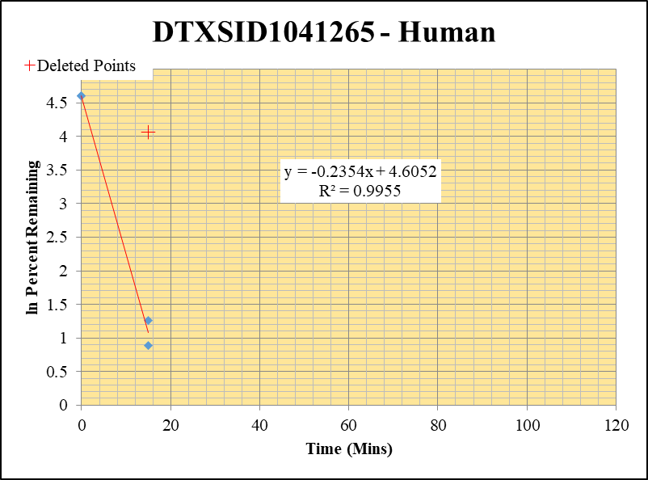
Blank_5_415 | DTXSID1041265 | 57 | 0 | 7448115.1903 | 0 |  |  |  | DTXSID1041265 - Human | 11 |  |  |  | Time (Mins) | % Remaining Replica 1 | % Remaining Replica 2 | % Remaining Replica 3 | Average
Blank_6_416 | DTXSID1041265 | 57 | 0 | 7110982.4794 | 0 |  |  |  | Time (Mins) | 195 |  |  |  | 120 | 0.0% | 0.0% | 0.0% | 0.0%
 |  |  |  |  |  |  |  |  | ln Percent Remaining | 209 |  |  |  | 60 | 0.0% | 0.0% | 0.0% | 0.0%
DTXSID1041265_10uM___120_1_130 | DTXSID1041265 | 57 | NF | 10814503.308 | NF | 0 | 120 | #NUM! |  |  | 1 | 120 |  | 30 | 0% | 0.0% | 0% | 0.0%
DTXSID1041265_10uM___120_2_131 | DTXSID1041265 | 57 | NF | 12627496.101 | NF | 0 | 120 | #NUM! |  |  | 2 | 120 |  | 15 | 2.4% | 57.99% | 3.5% | 3.0%
DTXSID1041265_10uM___120_3_132 | DTXSID1041265 | 57 | NF | 9545136.6189 | NF | 0 | 120 | #NUM! |  |  | 3 | 120 |  | 0 | 100% | 100% | 100% | 100%
DTXSID1041265_10uM___60_1_133 | DTXSID1041265 | 57 | NF | 12214878.256 | NF | 0 | 60 | #NUM! |  |  | 4 | 60
DTXSID1041265_10uM___60_2_134 | DTXSID1041265 | 57 | NF | 12186527.426 | NF | 0 | 60 | #NUM! |  |  | 5 | 60 |  | Slope | -0.23538
DTXSID1041265_10uM___60_3_135 | DTXSID1041265 | 57 | NF | 12205617.08 | NF | 0 | 60 | #NUM! |  |  | 6 | 60 |  | Intercept | 4.61
DTXSID1041265_10uM___30_1_136 | DTXSID1041265 | 57 | NF | 13792695.706 | NF | 0 | 30 | #NUM! |  |  | 7 | 30 |  | R2 | 0.995
DTXSID1041265_10uM___30_2_137 | DTXSID1041265 | 57 | NF | 12546931.717 | NF | 0 | 30 | #NUM! |  |  | 8 | 30 |  | T½ (mins) | 3
DTXSID1041265_10uM___30_3_138 | DTXSID1041265 | 57 | NF | 13086631.981 | NF | 0 | 30 | #NUM! |  |  | 9 | 30 |  | CLint (µl/min/106 cells) | 470.76
DTXSID1041265_10uM___15_1_139 | DTXSID1041265 | 57 | 205776.70985 | 11144652.683 | 0.018464165345 | 2.4361381966 | 15 | 0.89041407918 |  |  | 10 | 15 | 0.89041407918 | Comments | Points Deleted: (15,4.0600)
DTXSID1041265_10uM___15_2_140 | DTXSID1041265 | 57 | 1215719.4263 | 6561470.3964 | 0.18528155319 | 57.988834752 | 15 | 4.060 |  |  |  | 15 | 1.2585898736
DTXSID1041265_10uM___15_3_141 | DTXSID1041265 | 57 | 814207.84807 | 14114447.178 | 0.057686130943 | 3.5204537009 | 15 | 1.2585898736 |  |  | 12 | 0 | 4.605170186
DTXSID1041265_10uM___0_1_142 | DTXSID1041265 | 57 | 10148112.397 | 13389288.804 | 0.75792766482 | 100 | 0 | 4.605170186 |  |  | 13 | 0 | 4.605170186
DTXSID1041265_10uM___0_2_143 | DTXSID1041265 | 57 | 4180968.9983 | 13085464.59 | 0.31951246129 | 100 | 0 | 4.605170186 |  |  | 14 | 0 | 4.605170186
DTXSID1041265_10uM___0_3_144 | DTXSID1041265 | 57 | 15365806.238 | 9377402.9485 | 1.6385993353 | 100 | 0 | 4.605170186 |  |  | 15

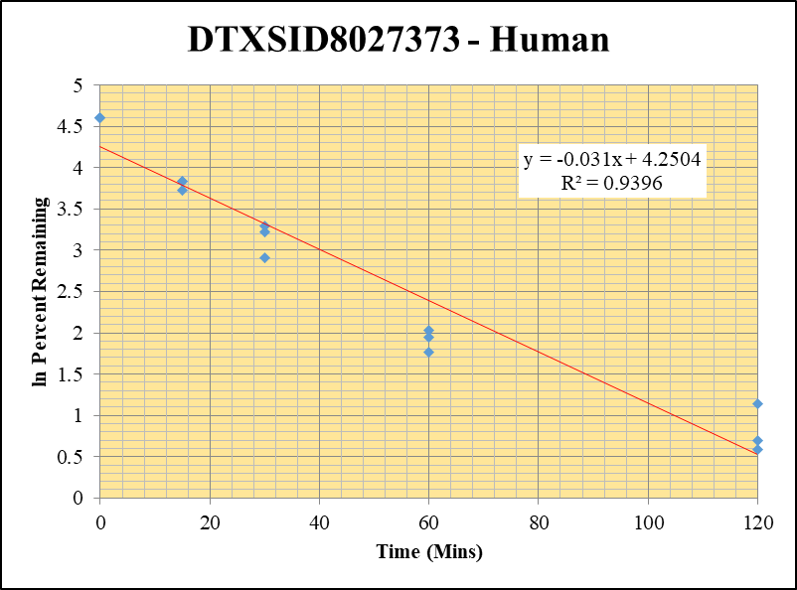
Blank_5_415 | DTXSID8027373 | 243.1 | 0 | 7448115.1903 | 0 |  |  |  | DTXSID8027373 - Human | 12 |  |  |  | Time (Mins) | % Remaining Replica 1 | % Remaining Replica 2 | % Remaining Replica 3 | Average
Blank_6_416 | DTXSID8027373 | 243.1 | 0 | 7110982.4794 | 0 |  |  |  | Time (Mins) | 214 |  |  |  | 120 | 3.1% | 1.8% | 2.0% | 2.3%
 |  |  |  |  |  |  |  |  | ln Percent Remaining | 228 |  |  |  | 60 | 7.6% | 5.9% | 7% | 6.8%
DTXSID8027373_10uM___120_1_202 | DTXSID8027373 | 243.1 | 159148.99875 | 13550108.566 | 0.011745219455 | 3.1130797955 | 120 | 1.1356125241 |  |  | 1 | 120 | 1.1356125241 | 30 | 25.2% | 18.4% | 26.9% | 23.5%
DTXSID8027373_10uM___120_2_203 | DTXSID8027373 | 243.1 | 96996.166642 | 13490592.502 | 0.0071899115348 | 1.7938794036 | 120 | 0.58438053928 |  |  | 2 | 120 | 0.58438053928 | 15 | 46.4% | 41.5% | 46% | 44.7%
DTXSID8027373_10uM___120_3_204 | DTXSID8027373 | 243.1 | 101728.54874 | 13404210.429 | 0.0075892981 | 1.9953156378 | 120 | 0.69080225227 |  |  | 3 | 120 | 0.69080225227 | 0 | 100% | 100% | 100% | 100%
DTXSID8027373_10uM___60_1_205 | DTXSID8027373 | 243.1 | 376777.88862 | 13115135.852 | 0.028728477757 | 7.6145059703 | 60 | 2.0300551084 |  |  | 4 | 60 | 2.0300551084
DTXSID8027373_10uM___60_2_206 | DTXSID8027373 | 243.1 | 266731.0058 | 11341997.16 | 0.023517110968 | 5.8675076589 | 60 | 1.769429954 |  |  | 5 | 60 | 1.769429954 | Slope | -0.03105
DTXSID8027373_10uM___60_3_207 | DTXSID8027373 | 243.1 | 356992.68011 | 13458183.694 | 0.026526066832 | 6.9740146273 | 60 | 1.9421910457 |  |  | 6 | 60 | 1.9421910457 | Intercept | 4.25
DTXSID8027373_10uM___30_1_208 | DTXSID8027373 | 243.1 | 1247657.0672 | 13122779.717 | 0.095075669492 | 25.19988212 | 30 | 3.2268393167 |  |  | 7 | 30 | 3.2268393167 | R2 | 0.940
DTXSID8027373_10uM___30_2_209 | DTXSID8027373 | 243.1 | 964637.49231 | 13073843.066 | 0.073783774784 | 18.409015641 | 30 | 2.9128405251 |  |  | 8 | 30 | 2.9128405251 | T½ (mins) | 22
DTXSID8027373_10uM___30_3_210 | DTXSID8027373 | 243.1 | 1317840.7803 | 12866116.669 | 0.10242723692 | 26.929324013 | 30 | 3.2932158049 |  |  | 9 | 30 | 3.2932158049 | CLint (µl/min/106 cells) | 62.09
DTXSID8027373_10uM___15_1_211 | DTXSID8027373 | 243.1 | 2195505.81 | 12538446.654 | 0.17510189824 | 46.410897954 | 15 | 3.8375343013 |  |  | 10 | 15 | 3.8375343013 | Comments
DTXSID8027373_10uM___15_2_212 | DTXSID8027373 | 243.1 | 2229610.9158 | 13396995.601 | 0.16642618854 | 41.523252461 | 15 | 3.7262535706 |  |  | 11 | 15 | 3.7262535706
DTXSID8027373_10uM___15_3_213 | DTXSID8027373 | 243.1 | 2420793.2762 | 13743273.065 | 0.17614386796 | 46.310292418 | 15 | 3.8353642348 |  |  | 12 | 15 | 3.8353642348
DTXSID8027373_10uM___0_1_214 | DTXSID8027373 | 243.1 | 4823921.3142 | 12785841.964 | 0.37728616761 | 100 | 0 | 4.605170186 |  |  | 13 | 0 | 4.605170186
DTXSID8027373_10uM___0_2_215 | DTXSID8027373 | 243.1 | 5058936.1725 | 12622020.952 | 0.40080239065 | 100 | 0 | 4.605170186 |  |  | 14 | 0 | 4.605170186
DTXSID8027373_10uM___0_3_216 | DTXSID8027373 | 243.1 | 4795556.7153 | 12608082.039 | 0.38035576708 | 100 | 0 | 4.605170186 |  |  | 15 | 0 | 4.605170186

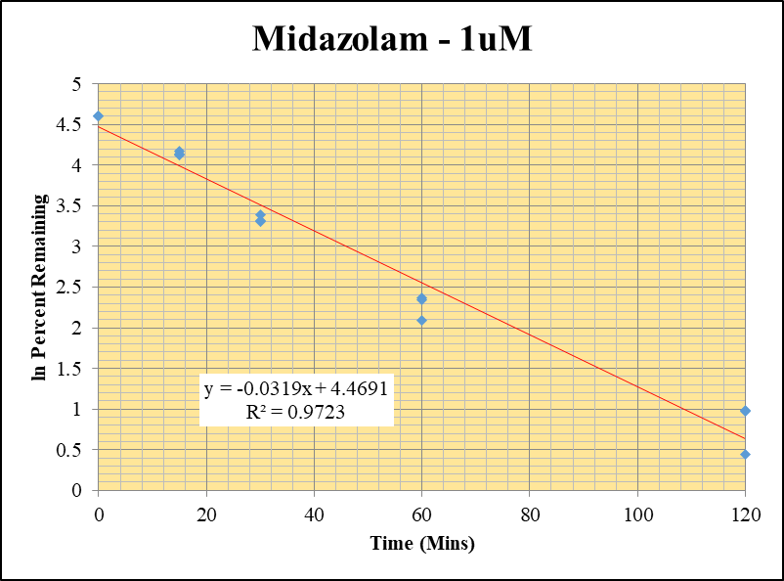
Blank_Human___1_____5P1_Inj 2020Dec18_EPA_3 | Midazolam | 326.2 / 291.0 | 20.02 | 537700 | 0.00003724 |  |  |  | Midazolam - 1uM | 1 |  |  |  | Time (Mins) | % Remaining Replica 1 | % Remaining Replica 2 | % Remaining Replica 3 | Average
Blank_Human___2_____5P1_Inj 2020Dec18_EPA_4 | Midazolam | 326.2 / 291.0 | 24.9 | 823100 | 0.00003025 |  |  |  | Time (Mins) | 4 |  |  |  | 120 | 2.69% | 2.65% | 1.55% | 2.30%
Midazolam_1uM_Human__120_1_____5P1_Inj 2020Dec18_EPA_7 | Midazolam | 326.2 / 291.0 | 9467 | 408900 | 0.02315 | 2.6880421023 | 120 | 0.9888130856 | ln Percent Remaining | 18 | 1 | 120 | 0.9888130856 | 60 | 10.7% | 10.5% | 8.11% | 9.76%
Midazolam_1uM_Human__120_2_____5P1_Inj 2020Dec18_EPA_8 | Midazolam | 326.2 / 291.0 | 10450 | 426400 | 0.02452 | 2.648977596 | 120 | 0.97417375273 |  |  | 2 | 120 | 0.97417375273 | 30 | 29.8% | 27.6% | 27.2% | 28.2%
Midazolam_1uM_Human__120_3_____5P1_Inj 2020Dec18_EPA_9 | Midazolam | 326.2 / 291.0 | 5484 | 420400 | 0.01305 | 1.5492475355 | 120 | 0.43776935211 |  |  | 3 | 120 | 0.43776935211 | 15 | 64.5% | 61.9% | 62.7% | 63.0%
Midazolam_1uM_Human__60_1_____5P2_Inj 2020Dec18_EPA_10 | Midazolam | 326.2 / 291.0 | 42520 | 461300 | 0.09217 | 10.713938421 | 60 | 2.3715455499 |  |  | 4 | 60 | 2.3715455499 | 0 | 100% | 100% | 100% | 100%
Midazolam_1uM_Human__60_2_____5P2_Inj 2020Dec18_EPA_11 | Midazolam | 326.2 / 291.0 | 47560 | 492000 | 0.09666 | 10.453243449 | 60 | 2.3469123082 |  |  | 5 | 60 | 2.3469123082
Midazolam_1uM_Human__60_3_____5P2_Inj 2020Dec18_EPA_12 | Midazolam | 326.2 / 291.0 | 33650 | 493700 | 0.06816 | 8.1086635645 | 60 | 2.0929330659 |  |  | 6 | 60 | 2.0929330659 | Slope | -0.0319
Midazolam_1uM_Human__30_1_____5P3_Inj 2020Dec18_EPA_13 | Midazolam | 326.2 / 291.0 | 128700 | 502700 | 0.2561 | 29.776314304 | 30 | 3.3937132555 |  |  | 7 | 30 | 3.3937132555 | Intercept | 4.47
Midazolam_1uM_Human__30_2_____5P3_Inj 2020Dec18_EPA_14 | Midazolam | 326.2 / 291.0 | 138300 | 542500 | 0.255 | 27.582817268 | 30 | 3.3171930161 |  |  | 8 | 30 | 3.3171930161 | R2 | 0.972
Midazolam_1uM_Human__30_3_____5P3_Inj 2020Dec18_EPA_15 | Midazolam | 326.2 / 291.0 | 138500 | 605900 | 0.2285 | 27.192981584 | 30 | 3.30295891 |  |  | 9 | 30 | 3.30295891 | T½ (mins) | 21.7
Midazolam_1uM_Human__15_1_____5P4_Inj 2020Dec18_EPA_16 | Midazolam | 326.2 / 291.0 | 354800 | 639900 | 0.5544 | 64.463721893 | 15 | 4.1661026143 |  |  | 10 | 15 | 4.1661026143 | CLint (µl/min/106 cells) | 63.9
Midazolam_1uM_Human__15_2_____5P4_Inj 2020Dec18_EPA_17 | Midazolam | 326.2 / 291.0 | 341600 | 596600 | 0.5726 | 61.941492553 | 15 | 4.126190271 |  |  | 11 | 15 | 4.126190271 | Comments | Control
Midazolam_1uM_Human__15_3_____5P4_Inj 2020Dec18_EPA_18 | Midazolam | 326.2 / 291.0 | 343700 | 652700 | 0.5266 | 62.674054316 | 15 | 4.1379475552 |  |  | 12 | 15 | 4.1379475552
Midazolam_1uM_Human__0_1_____5P5_Inj 2020Dec18_EPA_19 | Midazolam | 326.2 / 291.0 | 481000 | 559300 | 0.86 | 100 | 0 | 4.605170186 |  |  | 13 | 0 | 4.605170186
Midazolam_1uM_Human__0_2_____5P5_Inj 2020Dec18_EPA_20 | Midazolam | 326.2 / 291.0 | 523100 | 565800 | 0.9244 | 100 | 0 | 4.605170186 |  |  | 14 | 0 | 4.605170186
Midazolam_1uM_Human__0_3_____5P5_Inj 2020Dec18_EPA_21 | Midazolam | 326.2 / 291.0 | 493200 | 587100 | 0.8402 | 100 | 0 | 4.605170186 |  |  | 15 | 0 | 4.605170186

10 uM HI
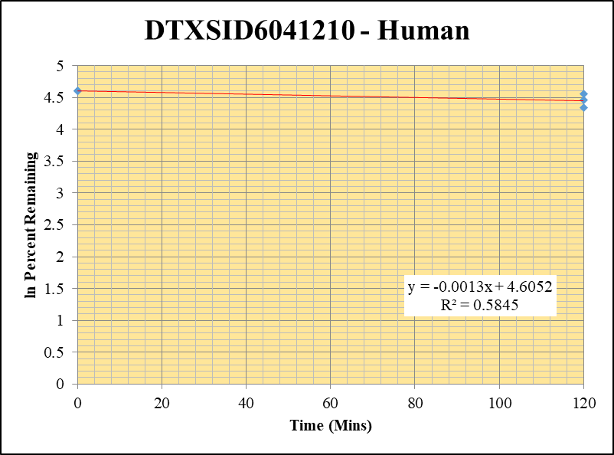
SampleName | CompoundName | Transition | Area | ISTD Area | ISTDResponseRatio | % Remaining | Time (mins) | ln % Remaining
Blank_5_415 | DTXSID6041210 | 93 | 41308.308814 | 7448115.1903 | 0 |  | Blank not used |  | DTXSID6041210 - Human | 2 |  |  |  | Time (Mins) | % Remaining Replica 1 | % Remaining Replica 2 | % Remaining Replica 3 | Average
Blank_6_416 | DTXSID6041210 | 93 | 57627.591918 | 7110982.4794 | 0 |  |  |  | Time (Mins) | 25 |  |  |  | 120 | 76.3% | 86.3% | 95.5% | 86.0%
 |  |  |  |  |  |  |  |  | ln Percent Remaining | 30 |  |  |  | 0 | 100% | 100% | 100% | 100%
DTXSID6041210_10uM_HI__120_1_289 | DTXSID6041210 | 93 | 26708.31726 | 14773492.601 | 0.0018078539706 | 76.251282076 | 120 | 4.3340342295 |  |  | 1 | 120 | 4.3340342295
DTXSID6041210_10uM_HI__120_2_290 | DTXSID6041210 | 93 | 29699.549981 | 13611845.332 | 0.0021818900565 | 86.291447253 | 120 | 4.4577304883 |  |  | 2 | 120 | 4.4577304883 | Slope | -0.00129
DTXSID6041210_10uM_HI__120_3_291 | DTXSID6041210 | 93 | 30108.526553 | 13651208.703 | 0.0022055575596 | 95.545986335 | 120 | 4.5596076639 |  |  | 3 | 120 | 4.5596076639 | Intercept | 4.61
DTXSID6041210_10uM___0_1_286 | DTXSID6041210 | 93 | 27627.658321 | 11652735.243 | 0.0023709161622 | 100 | 0 | 4.605170186 |  |  | 4 | 0 | 4.605170186 | R2 | 0.585
DTXSID6041210_10uM___0_2_287 | DTXSID6041210 | 93 | 27506.153207 | 10878393.077 | 0.0025285125305 | 100 | 0 | 4.605170186 |  |  | 5 | 0 | 4.605170186 | T½ (mins) | 538
DTXSID6041210_10uM___0_3_288 | DTXSID6041210 | 93 | 28675.217654 | 12422264.575 | 0.0023083727995 | 100 | 0 | 4.605170186 |  |  | 6 | 0 | 4.605170186 | CLint (µl/min/106 cells) | 2.58
 |  |  |  |  |  |  |  |  |  |  |  |  |  | Comments

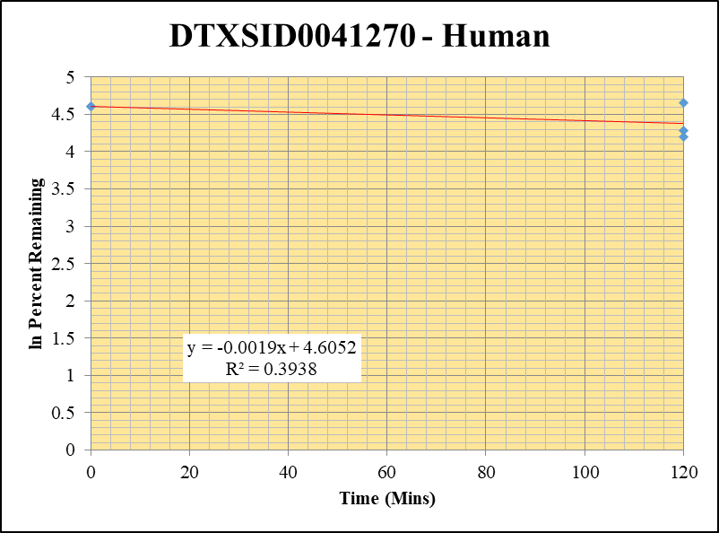
Blank_5_415 | DTXSID0041270 | 57 | 0 | 7448115.1903 | 0 |  |  |  | DTXSID0041270 - Human | 3 |  |  |  | Time (Mins) | % Remaining Replica 1 | % Remaining Replica 2 | % Remaining Replica 3 | Average
Blank_6_416 | DTXSID0041270 | 57 | 0 | 7110982.4794 | 0 |  |  |  | Time (Mins) | 45 |  |  |  | 120 | 72.3% | 66.9% | 105.2% | 81.5%
 |  |  |  |  |  |  |  |  | ln Percent Remaining | 50 |  |  |  | 0 | 100% | 100% | 100% | 100%
DTXSID0041270_10uM_HI__120_1_73 | DTXSID0041270 | 57 | 1184942493.3 | 14497701.294 | 81.733129219 | 72.344469407 | 120 | 4.281439008 |  |  | 1 | 120 | 4.281439008
DTXSID0041270_10uM_HI__120_2_74 | DTXSID0041270 | 57 | 1148933967.3 | 15990221.445 | 71.852286176 | 66.925305208 | 120 | 4.2035771498 |  |  | 2 | 120 | 4.2035771498 | Slope | -0.00187
DTXSID0041270_10uM_HI__120_3_75 | DTXSID0041270 | 57 | 1115479185.6 | 14938280.783 | 74.672527704 | 105.17709956 | 120 | 4.6556455918 |  |  | 3 | 120 | 4.6556455918 | Intercept | 4.61
DTXSID0041270_10uM___0_1_70 | DTXSID0041270 | 57 | 1403438091.4 | 12422255.827 | 112.97771604 | 100 | 0 | 4.605170186 |  |  | 4 | 0 | 4.605170186 | R2 | 0.394
DTXSID0041270_10uM___0_2_71 | DTXSID0041270 | 57 | 1343727646.4 | 12515869.381 | 107.36191035 | 100 | 0 | 4.605170186 |  |  | 5 | 0 | 4.605170186 | T½ (mins) | 370
DTXSID0041270_10uM___0_3_72 | DTXSID0041270 | 57 | 886134400.17 | 12481303.217 | 70.99694517 | 100 | 0 | 4.605170186 |  |  | 6 | 0 | 4.605170186 | CLint (µl/min/106 cells) | 3.75
 |  |  |  |  |  |  |  |  |  |  |  |  |  | Comments

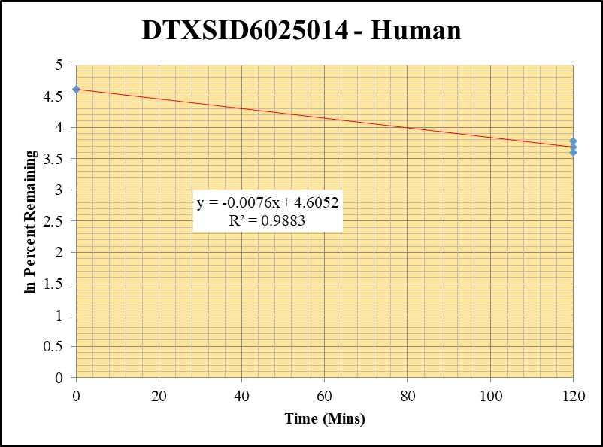
Blank_5_415 | DTXSID6025014 | 125 | 0 | 7448115.1903 | 0 |  |  |  | DTXSID6025014 - Human | 4 |  |  |  | Time (Mins) | % Remaining Replica 1 | % Remaining Replica 2 | % Remaining Replica 3 | Average
Blank_6_416 | DTXSID6025014 | 125 | 0 | 7110982.4794 | 0 |  |  |  | Time (Mins) | 65 |  |  |  | 120 | 39.9% | 36.8% | 43.7% | 40.1%
 |  |  |  |  |  |  |  |  | ln Percent Remaining | 70 |  |  |  | 0 | 100% | 100% | 100% | 100%
DTXSID6025014_10uM_HI__120_1_37 | DTXSID6025014 | 125 | 731519.92424 | 19402375.259 | 0.037702596433 | 39.934631763 | 120 | 3.6872439114 |  |  | 1 | 120 | 3.6872439114
DTXSID6025014_10uM_HI__120_2_38 | DTXSID6025014 | 125 | 604929.91113 | 16679266.436 | 0.036268376278 | 36.781342687 | 120 | 3.6049907244 |  |  | 2 | 120 | 3.6049907244 | Slope | -0.00763
DTXSID6025014_10uM_HI__120_3_39 | DTXSID6025014 | 125 | 764717.94636 | 17414640.576 | 0.043912358858 | 43.711476109 | 120 | 3.7776106788 |  |  | 3 | 120 | 3.7776106788 | Intercept | 4.61
DTXSID6025014_10uM___0_1_34 | DTXSID6025014 | 125 | 1184332.2524 | 12544460.292 | 0.094410777735 | 100 | 0 | 4.605170186 |  |  | 4 | 0 | 4.605170186 | R2 | 0.988
DTXSID6025014_10uM___0_2_35 | DTXSID6025014 | 125 | 1226852.802 | 12442049.512 | 0.098605362469 | 100 | 0 | 4.605170186 |  |  | 5 | 0 | 4.605170186 | T½ (mins) | 91
DTXSID6025014_10uM___0_3_36 | DTXSID6025014 | 125 | 1262557.9764 | 12567822.421 | 0.10045956524 | 100 | 0 | 4.605170186 |  |  | 6 | 0 | 4.605170186 | CLint (µl/min/106 cells) | 15.25
 |  |  |  |  |  |  |  |  |  |  |  |  |  | Comments

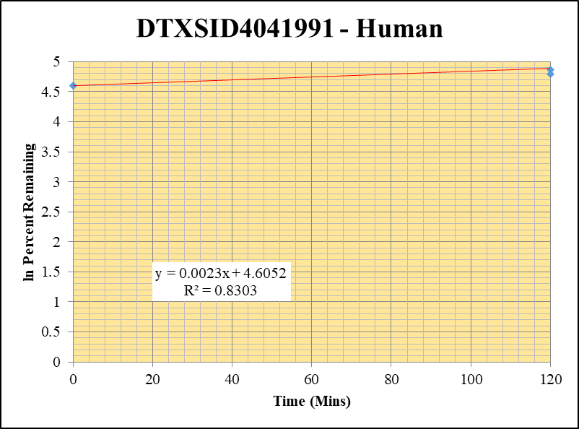
Blank_5_415 | DTXSID4041991 | 93 | 0 | 7448115.1903 | 0 |  |  |  | DTXSID4041991 - Human | 5 |  |  |  | Time (Mins) | % Remaining Replica 1 | % Remaining Replica 2 | % Remaining Replica 3 | Average
Blank_6_416 | DTXSID4041991 | 93 | 0 | 7110982.4794 | 0 |  |  |  | Time (Mins) | 85 |  |  |  | 120 | 129.1% | 120.4% | 149.4% | 133.0%
 |  |  |  |  |  |  |  |  | ln Percent Remaining | 90 |  |  |  | 0 | 100% | 100% | 100% | 100%
DTXSID4041991_10uM_HI__120_1_253 | DTXSID4041991 | 93 | 2250760.4899 | 16390206.549 | 0.13732349762 | 129.06498948 | 120 | 4.8603160719 |  |  | 1 | 120 | 4.8603160719
DTXSID4041991_10uM_HI__120_2_254 | DTXSID4041991 | 93 | 2211982.6315 | 15459123.359 | 0.14308590339 | 120.42523733 | 120 | 4.7910291233 |  |  | 2 | 120 | 4.7910291233 | Slope | 0.002339
DTXSID4041991_10uM_HI__120_3_255 | DTXSID4041991 | 93 | 2390286.9627 | 14212358.006 | 0.16818370053 | 149.36339417 | 120 | 5.0063822237 |  |  | 3 | 120 | 5.0063822237 | Intercept | 4.61
DTXSID4041991_10uM___0_1_250 | DTXSID4041991 | 93 | 1431004.2405 | 13449449.69 | 0.10639872065 | 100 | 0 | 4.605170186 |  |  | 4 | 0 | 4.605170186 | R2 | 0.830
DTXSID4041991_10uM___0_2_251 | DTXSID4041991 | 93 | 1440037.7899 | 12119774.8 | 0.11881720689 | 100 | 0 | 4.605170186 |  |  | 5 | 0 | 4.605170186 | T½ (mins)
DTXSID4041991_10uM___0_3_252 | DTXSID4041991 | 93 | 1420525.7093 | 12615642.347 | 0.11260034727 | 100 | 0 | 4.605170186 |  |  | 6 | 0 | 4.605170186 | CLint (µl/min/106 cells) | 0.00
 |  |  |  |  |  |  |  |  |  |  |  |  |  | Comments

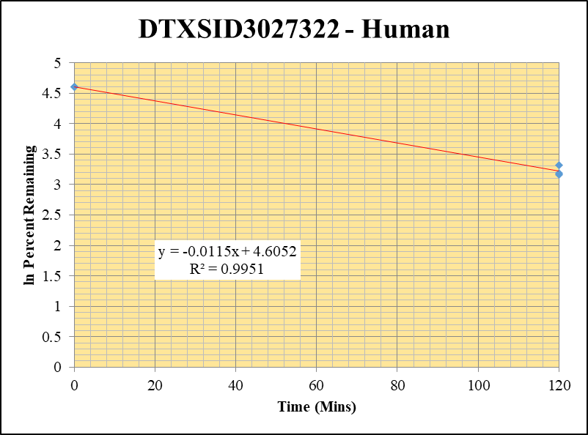
Blank_5_415 | DTXSID3027322 | 58 | 162862.05428 | 7448115.1903 | 0 |  | Blank not used |  | DTXSID3027322 - Human | 6 |  |  |  | Time (Mins) | % Remaining Replica 1 | % Remaining Replica 2 | % Remaining Replica 3 | Average
Blank_6_416 | DTXSID3027322 | 58 | 187910.25908 | 7110982.4794 | 0 |  |  |  | Time (Mins) | 105 |  |  |  | 120 | 27.6% | 23.7% | 24.1% | 25.1%
 |  |  |  |  |  |  |  |  | ln Percent Remaining | 110 |  |  |  | 0 | 100% | 100% | 100% | 100%
DTXSID3027322_10uM_HI__120_1_109 | DTXSID3027322 | 58 | 287496.02408 | 14450330.433 | 0.019895463665 | 27.621756473 | 120 | 3.3186037402 |  |  | 1 | 120 | 3.3186037402
DTXSID3027322_10uM_HI__120_2_110 | DTXSID3027322 | 58 | 296951.58602 | 15326283.52 | 0.019375315981 | 23.652556097 | 120 | 3.1634711893 |  |  | 2 | 120 | 3.1634711893 | Slope | -0.01153
DTXSID3027322_10uM_HI__120_3_111 | DTXSID3027322 | 58 | 278563.51048 | 15382939.872 | 0.018108600358 | 24.131443457 | 120 | 3.1835156979 |  |  | 3 | 120 | 3.1835156979 | Intercept | 4.61
DTXSID3027322_10uM___0_1_106 | DTXSID3027322 | 58 | 798697.15548 | 11088667.596 | 0.072028235005 | 100 | 0 | 4.605170186 |  |  | 4 | 0 | 4.605170186 | R2 | 0.995
DTXSID3027322_10uM___0_2_107 | DTXSID3027322 | 58 | 1020182.8144 | 12453954.956 | 0.081916372596 | 100 | 0 | 4.605170186 |  |  | 5 | 0 | 4.605170186 | T½ (mins) | 60
DTXSID3027322_10uM___0_3_108 | DTXSID3027322 | 58 | 849662.4762 | 11322565.851 | 0.075041513327 | 100 | 0 | 4.605170186 |  |  | 6 | 0 | 4.605170186 | CLint (µl/min/106 cells) | 23.06
 |  |  |  |  |  |  |  |  |  |  |  |  |  | Comments

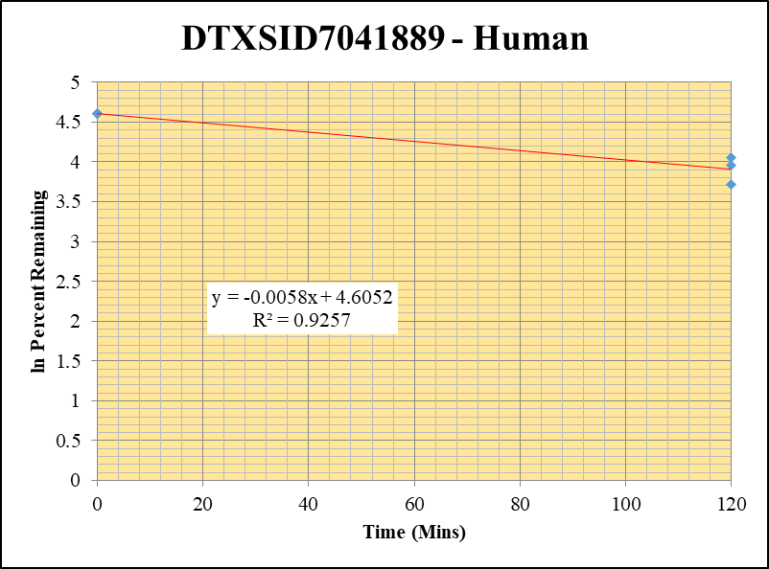
Blank_5_415 | DTXSID7041889 | 94 | 1132956.9732 | 7448115.1903 | 0.15211324533 |  |  |  | DTXSID7041889 - Human | 8 |  |  |  | Time (Mins) | % Remaining Replica 1 | % Remaining Replica 2 | % Remaining Replica 3 | Average
Blank_6_416 | DTXSID7041889 | 94 | 986981.06799 | 7110982.4794 | 0.13879672336 |  |  |  | Time (Mins) | 145 |  |  |  | 120 | 57.4% | 52.3% | 41.2% | 50.3%
 |  |  |  |  |  |  |  |  | ln Percent Remaining | 150 |  |  |  | 0 | 100% | 100% | 100% | 100%
DTXSID7041889_10uM_HI__120_1_397 | DTXSID7041889 | 94 | 20493231.483 | 13562069.453 | 1.5110696457 | 57.422906656 | 120 | 4.0504432944 |  |  | 1 | 120 | 4.0504432944
DTXSID7041889_10uM_HI__120_2_398 | DTXSID7041889 | 94 | 18731497.265 | 13468747.906 | 1.3907378322 | 52.286056789 | 120 | 3.9567297349 |  |  | 2 | 120 | 3.9567297349 | Slope | -0.00580
DTXSID7041889_10uM_HI__120_3_399 | DTXSID7041889 | 94 | 19474997.006 | 13462593.063 | 1.446600734 | 41.219492657 | 120 | 3.7189112672 |  |  | 3 | 120 | 3.7189112672 | Intercept | 4.61
DTXSID7041889_10uM___0_1_394 | DTXSID7041889 | 94 | 28737432.974 | 11387360.153 | 2.5236255453 | 100 | 0 | 4.605170186 |  |  | 4 | 0 | 4.605170186 | R2 | 0.926
DTXSID7041889_10uM___0_2_395 | DTXSID7041889 | 94 | 28793665.885 | 11393830.126 | 2.5271278899 | 100 | 0 | 4.605170186 |  |  | 5 | 0 | 4.605170186 | T½ (mins) | 119
DTXSID7041889_10uM___0_3_396 | DTXSID7041889 | 94 | 35245175.778 | 10673621.358 | 3.3020822639 | 100 | 0 | 4.605170186 |  |  | 6 | 0 | 4.605170186 | CLint (µl/min/106 cells) | 11.6
 |  |  |  |  |  |  |  |  |  |  |  |  |  | Comments

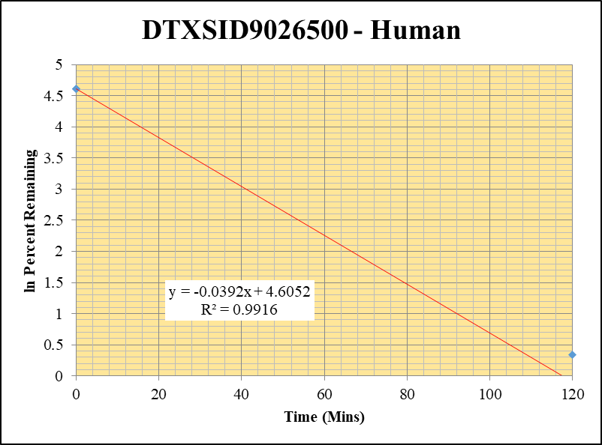
Blank_5_415 | DTXSID9026500 | 189 | 0 | 7448115.1903 | 0 |  |  |  | DTXSID9026500 - Human | 9 |  |  |  | Time (Mins) | % Remaining Replica 1 | % Remaining Replica 2 | % Remaining Replica 3 | Average
Blank_6_416 | DTXSID9026500 | 189 | 0 | 7110982.4794 | 0 |  |  |  | Time (Mins) | 165 |  |  |  | 120 | 0.7% | 1.4% | 0.7% | 1.0%
 |  |  |  |  |  |  |  |  | ln Percent Remaining | 170 |  |  |  | 0 | 100% | 100% | 100% | 100%
DTXSID9026500_10uM_HI__120_1_181 | DTXSID9026500 | 189 | 46732.03865 | 16324377.345 | 0.002862714924 | 0.72899689739 | 120 | -0.31608580297 |  |  | 1 | 120 | -0.31608580297
DTXSID9026500_10uM_HI__120_2_182 | DTXSID9026500 | 189 | 113954.35539 | 16251353.863 | 0.0070119915148 | 1.4024159929 | 120 | 0.33819645849 |  |  | 2 | 120 | 0.33819645849 | Slope | -0.03915
DTXSID9026500_10uM_HI__120_3_183 | DTXSID9026500 | 189 | 52559.659796 | 16595238.973 | 0.0031671529336 | 0.73998256276 | 120 | -0.3011286569 |  |  | 3 | 120 | -0.3011286569 | Intercept | 4.61
DTXSID9026500_10uM___0_1_178 | DTXSID9026500 | 189 | 3540727.3353 | 9016543.0735 | 0.39269233302 | 100 | 0 | 4.605170186 |  |  | 4 | 0 | 4.605170186 | R2 | 0.992
DTXSID9026500_10uM___0_2_179 | DTXSID9026500 | 189 | 3917639.3806 | 7835377.5958 | 0.49999369306 | 100 | 0 | 4.605170186 |  |  | 5 | 0 | 4.605170186 | T½ (mins) | 18
DTXSID9026500_10uM___0_3_180 | DTXSID9026500 | 189 | 3717649.5811 | 8686021.5537 | 0.42800372509 | 100 | 0 | 4.605170186 |  |  | 6 | 0 | 4.605170186 | CLint (µl/min/106 cells) | 78.30
 |  |  |  |  |  |  |  |  |  |  |  |  |  | Comments

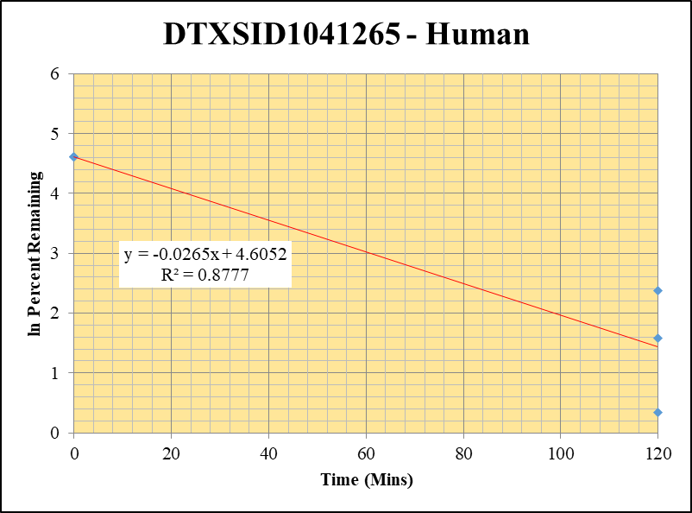
Blank_5_415 | DTXSID1041265 | 57 | 0 | 7448115.1903 | 0 |  |  |  | DTXSID1041265 - Human | 10 |  |  |  | Time (Mins) | % Remaining Replica 1 | % Remaining Replica 2 | % Remaining Replica 3 | Average
Blank_6_416 | DTXSID1041265 | 57 | 0 | 7110982.4794 | 0 |  |  |  | Time (Mins) | 185 |  |  |  | 120 | 4.8% | 11% | 1.4% | 6%
 |  |  |  |  |  |  |  |  | ln Percent Remaining | 190 |  |  |  | 0 | 100% | 100% | 100% | 100%
DTXSID1041265_10uM_HI__120_1_145 | DTXSID1041265 | 57 | 592071.43239 | 16148279.634 | 0.036664675483 | 4.8374900646 | 120 | 1.5763960045 |  |  | 1 | 120 | 1.5763960045
DTXSID1041265_10uM_HI__120_2_146 | DTXSID1041265 | 57 | 535243.99719 | 15575845.282 | 0.034363720715 | 10.755048669 | 120 | 2.375375288 |  |  | 2 | 120 | 2.375375288 | Slope | -0.02646
DTXSID1041265_10uM_HI__120_3_147 | DTXSID1041265 | 57 | 364775.01798 | 15875629.301 | 0.022977043056 | 1.4022368105 | 120 | 0.33806868339 |  |  | 3 | 120 | 0.33806868339 | Intercept | 4.61
DTXSID1041265_10uM___0_1_142 | DTXSID1041265 | 57 | 10148112.397 | 13389288.804 | 0.75792766482 | 100 | 0 | 4.605170186 |  |  | 4 | 0 | 4.605170186 | R2 | 0.8777
DTXSID1041265_10uM___0_2_143 | DTXSID1041265 | 57 | 4180968.9983 | 13085464.59 | 0.31951246129 | 100 | 0 | 4.605170186 |  |  | 5 | 0 | 4.605170186 | T½ (mins) | 26.195844466
DTXSID1041265_10uM___0_3_144 | DTXSID1041265 | 57 | 15365806.238 | 9377402.9485 | 1.6385993353 | 100 | 0 | 4.605170186 |  |  | 6 | 0 | 4.605170186 | CLint (µl/min/106 cells) | 52.9
 |  |  |  |  |  |  |  |  |  |  |  |  |  | Comments

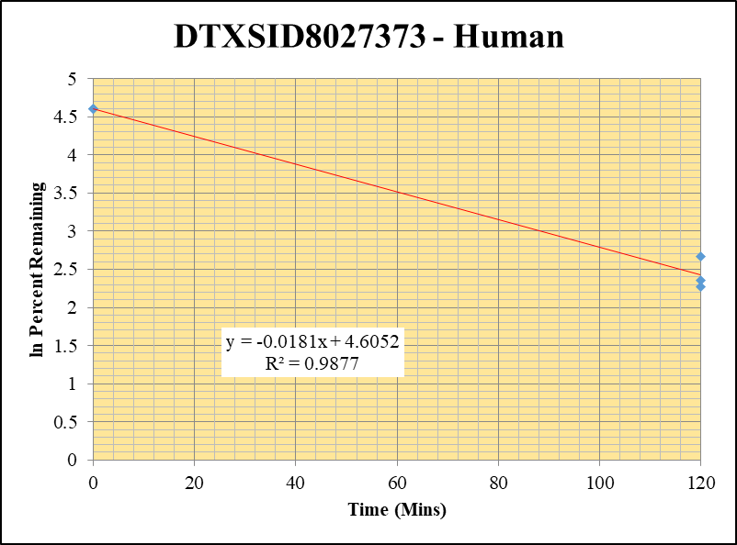
Blank_5_415 | DTXSID8027373 | 243.1 | 0 | 7448115.1903 | 0 |  |  |  | DTXSID8027373 - Human | 11 |  |  |  | Time (Mins) | % Remaining Replica 1 | % Remaining Replica 2 | % Remaining Replica 3 | Average
Blank_6_416 | DTXSID8027373 | 243.1 | 0 | 7110982.4794 | 0 |  |  |  | Time (Mins) | 205 |  |  |  | 120 | 14% | 10% | 10.5% | 11.5%
 |  |  |  |  |  |  |  |  | ln Percent Remaining | 210 |  |  |  | 0 | 100% | 100% | 100% | 100%
DTXSID8027373_10uM_HI__120_1_217 | DTXSID8027373 | 243.1 | 807840.22687 | 14856518.948 | 0.05437614489 | 14.412440624 | 120 | 2.6680917659 |  |  | 1 | 120 | 2.6680917659
DTXSID8027373_10uM_HI__120_2_218 | DTXSID8027373 | 243.1 | 549083.72279 | 14128064.264 | 0.038864752633 | 9.6967367311 | 120 | 2.2717894094 |  |  | 2 | 120 | 2.2717894094 | Slope | -0.018126
DTXSID8027373_10uM_HI__120_3_219 | DTXSID8027373 | 243.1 | 524639.08376 | 13151060.122 | 0.039893292169 | 10.488415221 | 120 | 2.3502713358 |  |  | 3 | 120 | 2.3502713358 | Intercept | 4.61
DTXSID8027373_10uM___0_1_214 | DTXSID8027373 | 243.1 | 4823921.3142 | 12785841.964 | 0.37728616761 | 100 | 0 | 4.605170186 |  |  | 4 | 0 | 4.605170186 | R2 | 0.9877
DTXSID8027373_10uM___0_2_215 | DTXSID8027373 | 243.1 | 5058936.1725 | 12622020.952 | 0.40080239065 | 100 | 0 | 4.605170186 |  |  | 5 | 0 | 4.605170186 | T½ (mins) | 38
DTXSID8027373_10uM___0_3_216 | DTXSID8027373 | 243.1 | 4795556.7153 | 12608082.039 | 0.38035576708 | 100 | 0 | 4.605170186 |  |  | 6 | 0 | 4.605170186 | CLint (µl/min/106 cells) | 36.25
 |  |  |  |  |  |  |  |  |  |  |  |  |  | Comments

1 uM
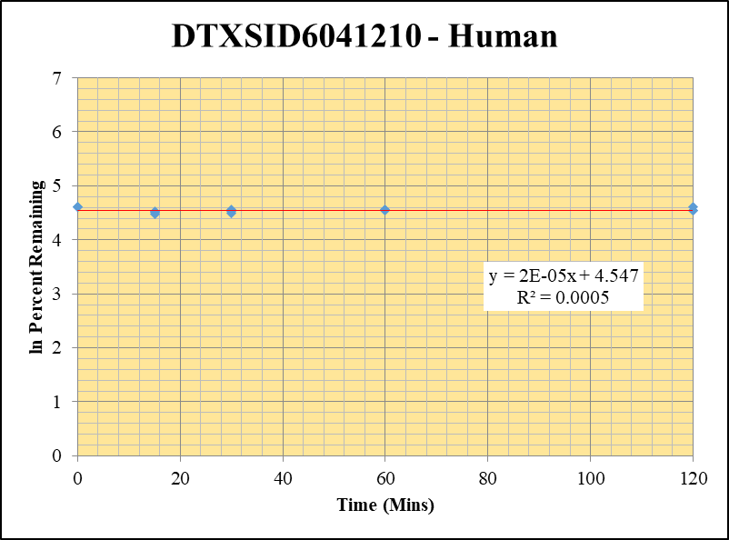
SampleName | CompoundName | Transition | Area | ISTD Area | ISTDResponseRatio | % Remaining | Time (mins) | ln % Remaining
Blank_5_415 | DTXSID6041210 | 93 | 41308.308814 | 7448115.1903 | 0 |  | Blank not used |  | DTXSID6041210 - Human | 2 |  |  |  | Time (Mins) | % Remaining Replica 1 | % Remaining Replica 2 | % Remaining Replica 3 | Average
Blank_6_416 | DTXSID6041210 | 93 | 57627.591918 | 7110982.4794 | 0 |  |  |  | Time (Mins) | 24 |  |  |  | 120 | 100% | 93% | 94% | 96%
 |  |  |  |  |  |  |  |  | ln Percent Remaining | 38 |  |  |  | 60 | 94% | 95% | 95% | 95%
DTXSID6041210_1uM___120_1_127 | DTXSID6041210 | 93 | 23427.559746 | 8210748.3112 | 0.0028532794891 | 100.01842774 | 120 | 4.6053544464 |  |  | 1 | 120 | 4.6053544464 | 30 | 96% | 89% | 92% | 92%
DTXSID6041210_1uM___120_2_128 | DTXSID6041210 | 93 | 23642.45462 | 8250826.8983 | 0.0028654648693 | 93.351376216 | 120 | 4.5363706124 |  |  | 2 | 120 | 4.5363706124 | 15 | 90% | 92% | 88% | 90%
DTXSID6041210_1uM___120_3_129 | DTXSID6041210 | 93 | 22902.29552 | 8047295.6583 | 0.0028459617358 | 93.700209977 | 120 | 4.5401004302 |  |  | 3 | 120 | 4.5401004302 | 0 | 100% | 100% | 100% | 100%
DTXSID6041210_1uM___60_1_130 | DTXSID6041210 | 93 | 21988.777596 | 8232112.5177 | 0.0026710977953 | 93.632258191 | 60 | 4.5393749629 |  |  | 4 | 60 | 4.5393749629
DTXSID6041210_1uM___60_2_131 | DTXSID6041210 | 93 | 23931.160064 | 8177829.8672 | 0.002926346042 | 95.334768621 | 60 | 4.5573945775 |  |  | 5 | 60 | 4.5573945775 | Slope | 0.0000
DTXSID6041210_1uM___60_3_132 | DTXSID6041210 | 93 | 23374.687507 | 8108545.9914 | 0.0028827224427 | 94.910516467 | 60 | 4.5529345158 |  |  | 6 | 60 | 4.5529345158 | Intercept | 4.55
DTXSID6041210_1uM___30_1_133 | DTXSID6041210 | 93 | 21879.970473 | 7977097.2054 | 0.0027428486716 | 96.147402558 | 30 | 4.5658824572 |  |  | 7 | 30 | 4.5658824572 | R2 | 0.001
DTXSID6041210_1uM___30_2_134 | DTXSID6041210 | 93 | 21516.02522 | 7909774.6878 | 0.0027201818091 | 88.618331411 | 30 | 4.484338737 |  |  | 8 | 30 | 4.484338737 | T½ (mins) | >480
DTXSID6041210_1uM___30_3_135 | DTXSID6041210 | 93 | 21559.998365 | 7700127.0739 | 0.0027999535798 | 92.185441234 | 30 | 4.5238022139 |  |  | 9 | 30 | 4.5238022139 | CLint (µl/min/106 cells) | 0.0
DTXSID6041210_1uM___15_1_136 | DTXSID6041210 | 93 | 21735.851985 | 8446103.1359 | 0.0025734769794 | 90.210272872 | 15 | 4.5021433105 |  |  | 10 | 15 | 4.5021433105 | Comments
DTXSID6041210_1uM___15_2_137 | DTXSID6041210 | 93 | 23130.207927 | 8197437.8319 | 0.0028216387121 | 91.923603664 | 15 | 4.5209578371 |  |  | 11 | 15 | 4.5209578371
DTXSID6041210_1uM___15_3_138 | DTXSID6041210 | 93 | 21574.599887 | 8082423.792 | 0.0026693230202 | 87.884571441 | 15 | 4.4760242653 |  |  | 12 | 15 | 4.4760242653
DTXSID6041210_1uM___0_1_139 | DTXSID6041210 | 93 | 22835.829038 | 8004836.9786 | 0.0028527537911 | 100 | 0 | 4.605170186 |  |  | 13 | 0 | 4.605170186
DTXSID6041210_1uM___0_2_140 | DTXSID6041210 | 93 | 23965.211491 | 7807408.487 | 0.0030695475369 | 100 | 0 | 4.605170186 |  |  | 14 | 0 | 4.605170186
DTXSID6041210_1uM___0_3_141 | DTXSID6041210 | 93 | 25591.573498 | 8425748.5976 | 0.0030373056117 | 100 | 0 | 4.605170186 |  |  | 15 | 0 | 4.605170186

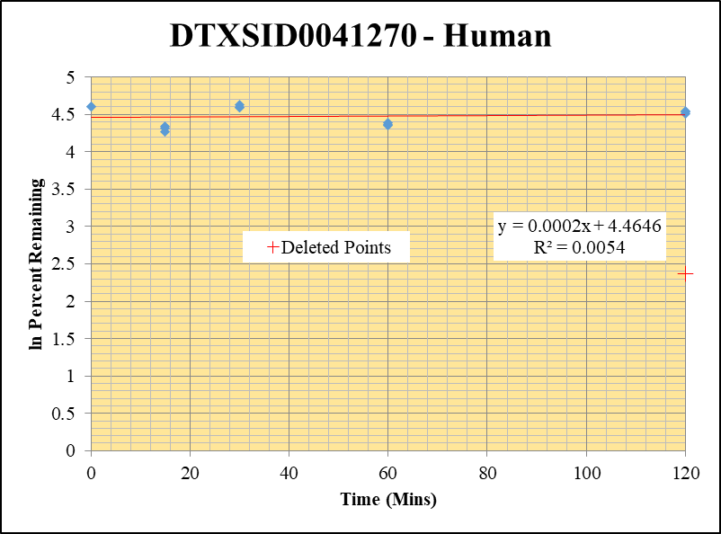
Blank_5_415 | DTXSID0041270 | 57 | 0 | 7448115.1903 | 0 |  |  |  | DTXSID0041270 - Human | 3 |  |  |  | Time (Mins) | % Remaining Replica 1 | % Remaining Replica 2 | % Remaining Replica 3 | Average
Blank_6_416 | DTXSID0041270 | 57 | 0 | 7110982.4794 | 0 |  |  |  | Time (Mins) | 43 |  |  |  | 120 | 91.2% | 94.3% | 93.5% | 93.0%
 |  | 57 |  |  |  |  |  |  | ln Percent Remaining | 57 |  |  |  | 60 | 77.7% | 78.2% | 80.5% | 78.8%
DTXSID0041270_1uM___120_1_19 | DTXSID0041270 | 57 | 1283825862.5 | 10651115.826 | 120.53440066 | 91.170113117 | 120 | 4.5127271363 |  |  | 1 | 120 | 4.5127271363 | 30 | 99.2% | 98.8% | 102.8% | 100.3%
DTXSID0041270_1uM___120_2_20 | DTXSID0041270 | 57 | 1374640889.4 | 10706617.137 | 128.39171064 | 94.309960095 | 120 | 4.5465868054 |  |  | 2 | 120 | 4.5465868054 | 15 | 76.8% | 74.7% | 71.4% | 74.3%
DTXSID0041270_1uM___120_3_21 | DTXSID0041270 | 57 | 1299568176.5 | 10682525.061 | 121.65365109 | 93.501006623 | 120 | 4.5379722023 |  |  | 3 | 120 | 4.5379722023 | 0 | 100% | 100% | 100% | 100%
DTXSID0041270_1uM___60_1_22 | DTXSID0041270 | 57 | 1103207826.3 | 10736539.831 | 102.75264132 | 77.720301271 | 60 | 4.3531165009 |  |  | 4 | 60 | 4.3531165009
DTXSID0041270_1uM___60_2_23 | DTXSID0041270 | 57 | 1114855634.7 | 10466802.156 | 106.51349075 | 78.239342808 | 60 | 4.359772626 |  |  | 5 | 60 | 4.359772626 | Slope | -0.00001
DTXSID0041270_1uM___60_3_24 | DTXSID0041270 | 57 | 1096683230.2 | 10476228.109 | 104.6830232 | 80.457659581 | 60 | 4.3877310781 |  |  | 6 | 60 | 4.3877310781 | Intercept | 4.48
DTXSID0041270_1uM___30_1_25 | DTXSID0041270 | 57 | 1425245671.4 | 10869773.636 | 131.1200876 | 99.176941631 | 30 | 4.596905544 |  |  | 7 | 30 | 4.596905544 | R2 | 0.000
DTXSID0041270_1uM___30_2_26 | DTXSID0041270 | 57 | 1388509656.3 | 10323697.455 | 134.49732157 | 98.794828469 | 30 | 4.59304526 |  |  | 8 | 30 | 4.59304526 | T½ (mins) | 47388
DTXSID0041270_1uM___30_3_27 | DTXSID0041270 | 57 | 1402264451.9 | 10480153.176 | 133.80190426 | 102.83795533 | 30 | 4.6331545002 |  |  | 9 | 30 | 4.6331545002 | CLint (µl/min/106 cells) | 0.03
DTXSID0041270_1uM___15_1_28 | DTXSID0041270 | 57 | 1096303675.1 | 10802874.481 | 101.48258939 | 76.759656193 | 15 | 4.3406791921 |  |  | 10 | 15 | 4.3406791921 | Comments | Points Deleted: (120,2.3710)
DTXSID0041270_1uM___15_2_29 | DTXSID0041270 | 57 | 1079501715.2 | 10615114.948 | 101.69477395 | 74.699760796 | 15 | 4.3134768899 |  |  | 11 | 15 | 4.3134768899
DTXSID0041270_1uM___15_3_30 | DTXSID0041270 | 57 | 994692276.57 | 10713581.689 | 92.84404651 | 71.358415715 | 15 | 4.2677152867 |  |  | 12 | 15 | 4.2677152867
DTXSID0041270_1uM___0_1_31 | DTXSID0041270 | 57 | 1394989417.3 | 10551456.039 | 132.20823857 | 100 | 0 | 4.605170186 |  |  | 13 | 0 | 4.605170186
DTXSID0041270_1uM___0_2_32 | DTXSID0041270 | 57 | 1399487644.6 | 10279917.859 | 136.13801821 | 100 | 0 | 4.605170186 |  |  | 14 | 0 | 4.605170186
DTXSID0041270_1uM___0_3_33 | DTXSID0041270 | 57 | 1428111769.1 | 10976233.495 | 130.10945602 | 100 | 0 | 4.605170186 |  |  | 15 | 0 | 4.605170186

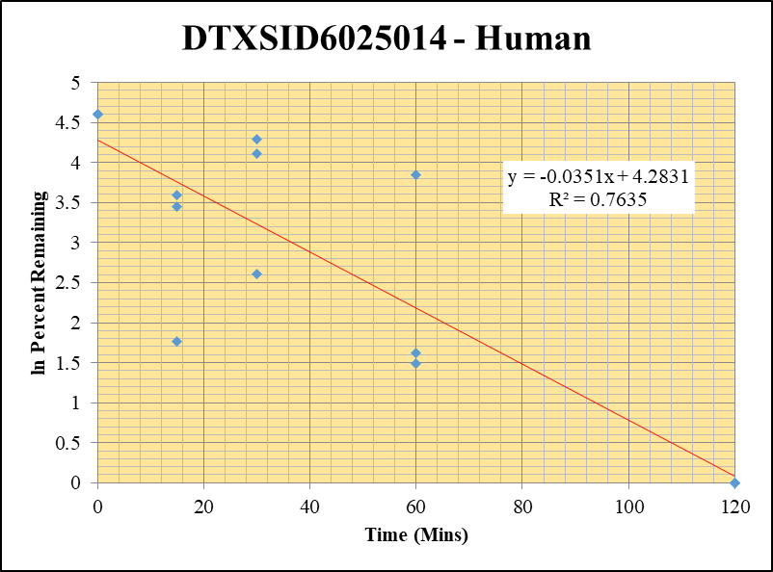
Blank_5_415 | DTXSID6025014 | 125 | 0 | 7448115.1903 | 0 |  |  |  | DTXSID6025014 - Human | 4 |  |  |  | Time (Mins) | % Remaining Replica 1 | % Remaining Replica 2 | % Remaining Replica 3 | Average
Blank_6_416 | DTXSID6025014 | 125 | 0 | 7110982.4794 | 0 |  |  |  | Time (Mins) | 62 |  |  |  | 120 | 0.0% | 0.0% | 0.0% | 0.0%
 |  |  |  |  |  |  |  |  | ln Percent Remaining | 76 |  |  |  | 60 | 5.0% | 4.4% | 47.0% | 18.8%
DTXSID6025014_1uM___120_1_01 | DTXSID6025014 | 125 | 0 | 10104498.115 | 0 | 0 | 120 | #NUM! |  |  | 1 | 120 |  | 30 | 60.7% | 73.2% | 13.5% | 49.1%
DTXSID6025014_1uM___120_2_02 | DTXSID6025014 | 125 | 0 | 15171757.827 | 0 | 0 | 120 | #NUM! |  |  | 2 | 120 |  | 15 | 31.4% | 36.3% | 5.9% | 24.5%
DTXSID6025014_1uM___120_3_03 | DTXSID6025014 | 125 | 0 | 11200106.853 | 0 | 0 | 120 |  |  |  | 3 | 120 | 0 | 0 | 100% | 100% | 100% | 100%
DTXSID6025014_1uM___60_1_04 | DTXSID6025014 | 125 | 35124.597796 | 9811544.1251 | 0.0035799255804 | 5.040609502 | 60 | 1.6175270077 |  |  | 4 | 60 | 1.6175270077
DTXSID6025014_1uM___60_2_05 | DTXSID6025014 | 125 | 34927.179049 | 10635715.766 | 0.0032839519048 | 4.4269928771 | 60 | 1.4877205448 |  |  | 5 | 60 | 1.4877205448 | Slope | -0.03412
DTXSID6025014_1uM___60_3_06 | DTXSID6025014 | 125 | 298037.4276 | 9248890.0378 | 0.032224129207 | 47.015155594 | 60 | 3.8504700092 |  |  | 6 | 60 | 3.8504700092 | Intercept | 4.26
DTXSID6025014_1uM___30_1_07 | DTXSID6025014 | 125 | 488717.9186 | 11336431.935 | 0.04311038265 | 60.700313329 | 30 | 4.10594886 |  |  | 7 | 30 | 4.10594886 | R2 | 0.614
DTXSID6025014_1uM___30_2_08 | DTXSID6025014 | 125 | 585103.29373 | 10777637.603 | 0.054288640544 | 73.184818767 | 30 | 4.2929880056 |  |  | 8 | 30 | 4.2929880056 | T½ (mins) | 20
DTXSID6025014_1uM___30_3_09 | DTXSID6025014 | 125 | 70221.562764 | 7561417.1574 | 0.0092868256443 | 13.549522156 | 30 | 2.6063512814 |  |  | 9 | 30 | 2.6063512814 | CLint (µl/min/106 cells) | 68.2
DTXSID6025014_1uM___15_1_10 | DTXSID6025014 | 125 | 257837.00224 | 11567611.35 | 0.022289563025 | 31.384167257 | 15 | 3.4463035383 |  |  | 10 | 15 | 3.4463035383 | Comments
DTXSID6025014_1uM___15_2_11 | DTXSID6025014 | 125 | 312289.2141 | 11607247.524 | 0.026904674295 | 36.269350136 | 15 | 3.5909730357 |  |  | 11 | 15 | 3.5909730357
DTXSID6025014_1uM___15_3_12 | DTXSID6025014 | 125 | 65253.86897 | 16251908.443 | 0.0040151511558 | 5.8581243611 | 15 | 1.7678294775 |  |  | 12 | 15 | 1.7678294775
DTXSID6025014_1uM___0_1_13 | DTXSID6025014 | 125 | 816096.76244 | 11490811.758 | 0.071021680591 | 100 | 0 | 4.605170186 |  |  | 13 | 0 | 4.605170186
DTXSID6025014_1uM___0_2_14 | DTXSID6025014 | 125 | 805721.66841 | 10861681.871 | 0.074180194005 | 100 | 0 | 4.605170186 |  |  | 14 | 0 | 4.605170186
DTXSID6025014_1uM___0_3_15 | DTXSID6025014 | 125 | 746287.01718 | 10888362.57 | 0.068539875706 | 100 | 0 | 4.605170186 |  |  | 15 | 0 | 4.605170186

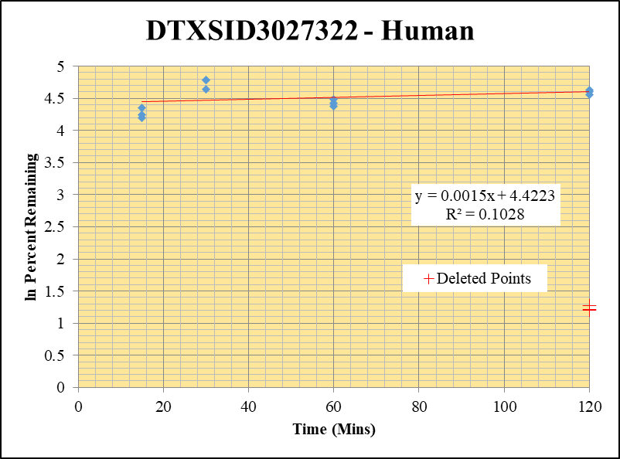
Blank_5_415 | DTXSID3027322 | 58 | 162862.05428 | 7448115.1903 | 0 |  | Blank not used |  | DTXSID3027322 - Human | 6 |  |  |  | Time (Mins) | % Remaining Replica 1 | % Remaining Replica 2 | % Remaining Replica 3 | Average
Blank_6_416 | DTXSID3027322 | 58 | 187910.25908 | 7110982.4794 | 0 |  |  |  | Time (Mins) | 100 |  |  |  | 120 | 95% | 103% | 100% | 99%
 |  |  |  |  |  |  |  |  | ln Percent Remaining | 114 |  |  |  | 60 | 80% | 84% | 89% | 84%
DTXSID3027322_1uM___120_1_37 | DTXSID3027322 | 58 | 6453118.9533 | 9525493.9209 | 0.67745767379 | 94.931585274 | 120 | 4.5531564772 |  |  | 1 | 120 | 4.5531564772 | 30 | 103% | 119% | 120% | 114%
DTXSID3027322_1uM___120_2_38 | DTXSID3027322 | 58 | 6669768.1977 | 9957282.8108 | 0.6698381802 | 102.69373569 | 120 | 4.6317511189 |  |  | 2 | 120 | 4.6317511189 | 15 | 66% | 77% | 70% | 71%
DTXSID3027322_1uM___120_3_39 | DTXSID3027322 | 58 | 6961130.3031 | 10123882.23 | 0.68759495073 | 100.10178281 | 120 | 4.6061874965 |  |  | 3 | 120 | 4.6061874965 | 0 | 100% | 100% | 100% | 100%
DTXSID3027322_1uM___60_1_40 | DTXSID3027322 | 58 | 5965054.1009 | 10506783.057 | 0.56773363156 | 79.556045702 | 60 | 4.3764617507 |  |  | 4 | 60 | 4.3764617507
DTXSID3027322_1uM___60_2_41 | DTXSID3027322 | 58 | 5697565.0175 | 10432220.446 | 0.5461507497 | 83.731059823 | 60 | 4.4276099938 |  |  | 5 | 60 | 4.4276099938 | Slope | 0.0006
DTXSID3027322_1uM___60_3_42 | DTXSID3027322 | 58 | 6108644.4572 | 10047205.094 | 0.60799440241 | 88.513337041 | 60 | 4.4831532417 |  |  | 6 | 60 | 4.4831532417 | Intercept | 4.50
DTXSID3027322_1uM___30_1_43 | DTXSID3027322 | 58 | 7242555.7943 | 9821979.4096 | 0.73738250634 | 103.32880265 | 30 | 4.6379161625 |  |  | 7 | 30 | 4.6379161625 | R2 | 0.020
DTXSID3027322_1uM___30_2_44 | DTXSID3027322 | 58 | 7255440.9202 | 9329790.9063 | 0.77766382903 | 119.22462182 | 30 | 4.7810092922 |  |  | 8 | 30 | 4.7810092922 | T½ (mins) | >480
DTXSID3027322_1uM___30_3_45 | DTXSID3027322 | 58 | 7714282.336 | 9377795.6924 | 0.82261147385 | 119.757824 | 30 | 4.7854715703 |  |  | 9 | 30 | 4.7854715703 | CLint (µl/min/106 cells) | 0.0
DTXSID3027322_1uM___15_1_46 | DTXSID3027322 | 58 | 4843552.2895 | 10241810.183 | 0.4729195526 | 66.269826991 | 15 | 4.1937346954 |  |  | 10 | 15 | 4.1937346954 | Comments | Points Deleted: (120,1.2750) (120,1.1950) (120,1.2100)
DTXSID3027322_1uM___15_2_47 | DTXSID3027322 | 58 | 5251311.0553 | 10392459.193 | 0.50530013715 | 77.468200923 | 15 | 4.3498675415 |  |  | 11 | 15 | 4.3498675415
DTXSID3027322_1uM___15_3_48 | DTXSID3027322 | 58 | 4772717.4695 | 9994614.5112 | 0.47752891962 | 69.519847618 | 15 | 4.241612289 |  |  | 12 | 15 | 4.241612289
DTXSID3027322_1uM___0_1_49 | DTXSID3027322 | 58 | 6779397.2004 | 9499913.4017 | 0.71362726308 | 100 | 0 | 4.605170186 |  |  | 13 | 0 | 4.605170186
DTXSID3027322_1uM___0_2_50 | DTXSID3027322 | 58 | 6090602.3707 | 9337579.2625 | 0.6522678094 | 100 | 0 | 4.605170186 |  |  | 14 | 0 | 4.605170186
DTXSID3027322_1uM___0_3_51 | DTXSID3027322 | 58 | 6386654.3252 | 9297850.1875 | 0.68689580886 | 100 | 0 | 4.605170186 |  |  | 15 | 0 | 4.605170186

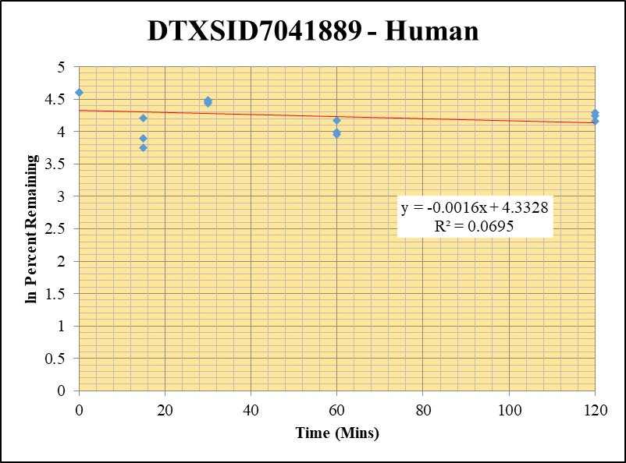
Blank_5_415 | DTXSID7041889 | 94 | 1132956.9732 | 7448115.1903 | 0.15211324533 |  |  |  | DTXSID7041889 - Human | 8 |  |  |  | Time (Mins) | % Remaining Replica 1 | % Remaining Replica 2 | % Remaining Replica 3 | Average
Blank_6_416 | DTXSID7041889 | 94 | 986981.06799 | 7110982.4794 | 0.13879672336 |  |  |  | Time (Mins) | 138 |  |  |  | 120 | 69.4% | 64.3% | 73.3% | 69.0%
 |  |  |  |  |  |  |  |  | ln Percent Remaining | 152 |  |  |  | 60 | 54.1% | 52.4% | 65% | 57.0%
DTXSID7041889_1uM___120_1_181 | DTXSID7041889 | 94 | 5595994.2737 | 7240465.471 | 0.77287769635 | 69.352189355 | 120 | 4.2391977159 |  |  | 1 | 120 | 4.2391977159 | 30 | 87.0% | 84.8% | 88% | 86.7%
DTXSID7041889_1uM___120_2_182 | DTXSID7041889 | 94 | 5270610.741 | 7163426.6871 | 0.73576668978 | 64.267650222 | 120 | 4.1630563977 |  |  | 2 | 120 | 4.1630563977 | 15 | 49% | 42.7% | 67.5% | 53.2%
DTXSID7041889_1uM___120_3_183 | DTXSID7041889 | 94 | 6027360.8405 | 7404230.1897 | 0.81404287631 | 73.277520277 | 120 | 4.2942538808 |  |  | 3 | 120 | 4.2942538808 | 0 | 100% | 100% | 100% | 100%
DTXSID7041889_1uM___60_1_184 | DTXSID7041889 | 94 | 4640732.8468 | 7305512.8836 | 0.63523710392 | 54.138082109 | 60 | 3.9915378589 |  |  | 4 | 60 | 3.9915378589
DTXSID7041889_1uM___60_2_185 | DTXSID7041889 | 94 | 4544441.8464 | 7252616.2186 | 0.62659345393 | 52.381883312 | 60 | 3.9585607932 |  |  | 5 | 60 | 3.9585607932 | Slope | -0.00165
DTXSID7041889_1uM___60_3_186 | DTXSID7041889 | 94 | 5430003.8027 | 7396194.083 | 0.73416188675 | 64.522529493 | 60 | 4.1670144573 |  |  | 6 | 60 | 4.1670144573 | Intercept | 4.33
DTXSID7041889_1uM___30_1_187 | DTXSID7041889 | 94 | 6548293.7635 | 7025347.242 | 0.93209538803 | 86.951321951 | 30 | 4.4653484443 |  |  | 7 | 30 | 4.4653484443 | R2 | 0.070
DTXSID7041889_1uM___30_2_188 | DTXSID7041889 | 94 | 6486946.2394 | 7020192.0367 | 0.92404113811 | 84.765221725 | 30 | 4.4398853375 |  |  | 8 | 30 | 4.4398853375 | T½ (mins) | 421
DTXSID7041889_1uM___30_3_189 | DTXSID7041889 | 94 | 6673950.6212 | 7013273.3045 | 0.951617074 | 88.355711464 | 30 | 4.4813708426 |  |  | 9 | 30 | 4.4813708426 | CLint (µl/min/106 cells) | 3.29
DTXSID7041889_1uM___15_1_190 | DTXSID7041889 | 94 | 4981585.7926 | 8413393.2535 | 0.5921018598 | 49.370126533 | 15 | 3.8993455152 |  |  | 10 | 15 | 3.8993455152 | Comments
DTXSID7041889_1uM___15_2_191 | DTXSID7041889 | 94 | 4156110.6392 | 7732188.1443 | 0.53750769661 | 42.683054307 | 15 | 3.7538019868 |  |  | 11 | 15 | 3.7538019868
DTXSID7041889_1uM___15_3_192 | DTXSID7041889 | 94 | 5921279.2359 | 7780466.5385 | 0.76104423901 | 67.468846853 | 15 | 4.2116659632 |  |  | 12 | 15 | 4.2116659632
DTXSID7041889_1uM___0_1_193 | DTXSID7041889 | 94 | 7513835.9906 | 7155042.4728 | 1.0501455469 | 100 | 0 | 4.605170186 |  |  | 13 | 0 | 4.605170186
DTXSID7041889_1uM___0_2_194 | DTXSID7041889 | 94 | 7697776.8467 | 7234917.6479 | 1.0639757384 | 100 | 0 | 4.605170186 |  |  | 14 | 0 | 4.605170186
DTXSID7041889_1uM___0_3_195 | DTXSID7041889 | 94 | 7670066.2175 | 7250548.2901 | 1.057860166 | 100 | 0 | 4.605170186 |  |  | 15 | 0 | 4.605170186

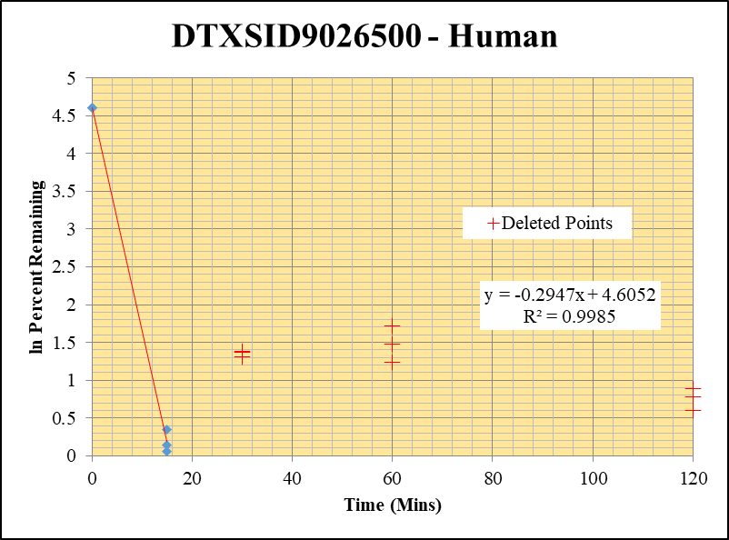
Blank_5_415 | DTXSID9026500 | 189 | 0 | 7448115.1903 | 0 |  |  |  | DTXSID9026500 - Human | 10 |  |  |  | Time (Mins) | % Remaining Replica 1 | % Remaining Replica 2 | % Remaining Replica 3 | Average
Blank_6_416 | DTXSID9026500 | 189 | 0 | 7110982.4794 | 0 |  |  |  | Time (Mins) | 176 |  |  |  | 120 | 0.95% | 0.71% | 0.77%
 |  |  |  |  |  |  |  |  | ln Percent Remaining | 190 |  |  |  | 60 | 0.95% | 0.71% | 0.77%
DTXSID9026500_1uM___120_1_73 | DTXSID9026500 | 189 | NF | 8954478.311 | 0.0001 | 0.94621265944 | 120 | -0.055 |  |  |  | 15 | 0.35017717147 | 30 | 0.95% | 0.71% | 0.77%
DTXSID9026500_1uM___120_2_74 | DTXSID9026500 | 189 | NF | 8876784.4943 | 0.0001 | 0.70965428197 | 120 | -0.343 |  |  |  | 15 | 0.062487753775 | 15 | 1.4% | 1.1% | 1.2% | 1.2%
DTXSID9026500_1uM___120_3_75 | DTXSID9026500 | 189 | NF | 8888411.1223 | 0.0001 | 0.76740346074 | 120 | -0.265 |  |  |  | 15 | 0.14072251662 | 0 | 100% | 100% | 100% | 100%
DTXSID9026500_1uM___60_1_76 | DTXSID9026500 | 189 | NF | 8704316.9174 | 0.0001 | 0.94621265944 | 60 | -0.055 |  |  |  | 0 | 4.605170186
DTXSID9026500_1uM___60_2_77 | DTXSID9026500 | 189 | NF | 8663490.1885 | 0.0001 | 0.70965428197 | 60 | -0.343 |  |  |  | 0 | 4.605170186 | Slope | -0.2947
DTXSID9026500_1uM___60_3_78 | DTXSID9026500 | 189 | NF | 8749814.9547 | 0.0001 | 0.76740346074 | 60 | -0.265 |  |  |  | 0 | 4.605170186 | Intercept | 4.61
DTXSID9026500_1uM___30_1_79 | DTXSID9026500 | 189 | NF | 8416767.0981 | 0.0001 | 0.94621265944 | 30 | -0.055 |  |  |  |  |  | R2 | 0.998
DTXSID9026500_1uM___30_2_80 | DTXSID9026500 | 189 | NF | 8511541.9433 | 0.0001 | 0.70965428197 | 30 | -0.343 |  |  |  |  |  | T½ (mins) | 2.4
DTXSID9026500_1uM___30_3_81 | DTXSID9026500 | 189 | NF | 8545971.5499 | 0.0001 | 0.76740346074 | 30 | -0.265 |  |  |  |  |  | CLint (µl/min/106 cells) | 589.4
DTXSID9026500_1uM___15_1_82 | DTXSID9026500 | 189 | NF | 9365773.5417 | 0.00015 | 1.4193189892 | 15 | 0.35017717147 |  |  | 10 |  |  | Comments | Points Deleted: (120,0.7780) (120,0.6040) (120,0.8890) (60,1.2400) (60,1.7140) (60,1.4740) (30,1.3730) (30,1.3110) (30,1.3820)
DTXSID9026500_1uM___15_2_83 | DTXSID9026500 | 189 | NF | 9122961.5811 | 0.00015 | 1.064481423 | 15 | 0.062487753775 |  |  | 11
DTXSID9026500_1uM___15_3_84 | DTXSID9026500 | 189 | NF | 9134319.3747 | 0.00015 | 1.1511051911 | 15 | 0.14072251662 |  |  | 12
DTXSID9026500_1uM___0_1_85 | DTXSID9026500 | 189 | 92120.148064 | 8716525.0287 | 0.010568448752 | 100 | 0 | 4.605170186 |  |  | 13
DTXSID9026500_1uM___0_2_86 | DTXSID9026500 | 189 | 120095.12549 | 8522602.0051 | 0.014091368507 | 100 | 0 | 4.605170186 |  |  | 14
DTXSID9026500_1uM___0_3_87 | DTXSID9026500 | 189 | 111480.44955 | 8555048.279 | 0.013030955047 | 100 | 0 | 4.605170186 |  |  | 15

Blank_Human___1_____5P1_Inj 2020Dec18_EPA_3 | Midazolam | 326.2 / 291.0 | 20.02 | 537700 | 0.00003724 |  |  |  | Midazolam - 1uM | 1 |  |  |  | Time (Mins) | % Remaining Replica 1 | % Remaining Replica 2 | % Remaining Replica 3 | Average
Blank_Human___2_____5P1_Inj 2020Dec18_EPA_4 | Midazolam | 326.2 / 291.0 | 24.9 | 823100 | 0.00003025 |  |  |  | Time (Mins) | 4 |  |  |  | 120 | 2.69% | 2.65% | 1.55% | 2.30%
Midazolam_1uM_Human__120_1_____5P1_Inj 2020Dec18_EPA_7 | Midazolam | 326.2 / 291.0 | 9467 | 408900 | 0.02315 | 2.6880421023 | 120 | 0.9888130856 | ln Percent Remaining | 18 | 1 | 120 | 0.9888130856 | 60 | 10.7% | 10.5% | 8.11% | 9.76%
Midazolam_1uM_Human__120_2_____5P1_Inj 2020Dec18_EPA_8 | Midazolam | 326.2 / 291.0 | 10450 | 426400 | 0.02452 | 2.648977596 | 120 | 0.97417375273 |  |  | 2 | 120 | 0.97417375273 | 30 | 29.8% | 27.6% | 27.2% | 28.2%
Midazolam_1uM_Human__120_3_____5P1_Inj 2020Dec18_EPA_9 | Midazolam | 326.2 / 291.0 | 5484 | 420400 | 0.01305 | 1.5492475355 | 120 | 0.43776935211 |  |  | 3 | 120 | 0.43776935211 | 15 | 64.5% | 61.9% | 62.7% | 63.0%
Midazolam_1uM_Human__60_1_____5P2_Inj 2020Dec18_EPA_10 | Midazolam | 326.2 / 291.0 | 42520 | 461300 | 0.09217 | 10.713938421 | 60 | 2.3715455499 |  |  | 4 | 60 | 2.3715455499 | 0 | 100% | 100% | 100% | 100%
Midazolam_1uM_Human__60_2_____5P2_Inj 2020Dec18_EPA_11 | Midazolam | 326.2 / 291.0 | 47560 | 492000 | 0.09666 | 10.453243449 | 60 | 2.3469123082 |  |  | 5 | 60 | 2.3469123082
Midazolam_1uM_Human__60_3_____5P2_Inj 2020Dec18_EPA_12 | Midazolam | 326.2 / 291.0 | 33650 | 493700 | 0.06816 | 8.1086635645 | 60 | 2.0929330659 |  |  | 6 | 60 | 2.0929330659 | Slope | -0.0319
Midazolam_1uM_Human__30_1_____5P3_Inj 2020Dec18_EPA_13 | Midazolam | 326.2 / 291.0 | 128700 | 502700 | 0.2561 | 29.776314304 | 30 | 3.3937132555 |  |  | 7 | 30 | 3.3937132555 | Intercept | 4.47
Midazolam_1uM_Human__30_2_____5P3_Inj 2020Dec18_EPA_14 | Midazolam | 326.2 / 291.0 | 138300 | 542500 | 0.255 | 27.582817268 | 30 | 3.3171930161 |  |  | 8 | 30 | 3.3171930161 | R2 | 0.972
Midazolam_1uM_Human__30_3_____5P3_Inj 2020Dec18_EPA_15 | Midazolam | 326.2 / 291.0 | 138500 | 605900 | 0.2285 | 27.192981584 | 30 | 3.30295891 |  |  | 9 | 30 | 3.30295891 | T½ (mins) | 21.7
Midazolam_1uM_Human__15_1_____5P4_Inj 2020Dec18_EPA_16 | Midazolam | 326.2 / 291.0 | 354800 | 639900 | 0.5544 | 64.463721893 | 15 | 4.1661026143 |  |  | 10 | 15 | 4.1661026143 | CLint (µl/min/106 cells) | 63.9
Midazolam_1uM_Human__15_2_____5P4_Inj 2020Dec18_EPA_17 | Midazolam | 326.2 / 291.0 | 341600 | 596600 | 0.5726 | 61.941492553 | 15 | 4.126190271 |  |  | 11 | 15 | 4.126190271 | Comments | Control
Midazolam_1uM_Human__15_3_____5P4_Inj 2020Dec18_EPA_18 | Midazolam | 326.2 / 291.0 | 343700 | 652700 | 0.5266 | 62.674054316 | 15 | 4.1379475552 |  |  | 12 | 15 | 4.1379475552
Midazolam_1uM_Human__0_1_____5P5_Inj 2020Dec18_EPA_19 | Midazolam | 326.2 / 291.0 | 481000 | 559300 | 0.86 | 100 | 0 | 4.605170186 |  |  | 13 | 0 | 4.605170186
Midazolam_1uM_Human__0_2_____5P5_Inj 2020Dec18_EPA_20 | Midazolam | 326.2 / 291.0 | 523100 | 565800 | 0.9244 | 100 | 0 | 4.605170186 |  |  | 14 | 0 | 4.605170186
Midazolam_1uM_Human__0_3_____5P5_Inj 2020Dec18_EPA_21 | Midazolam | 326.2 / 291.0 | 493200 | 587100 | 0.8402 | 100 | 0 | 4.605170186 |  |  | 15 | 0 | 4.605170186

1 uM HI
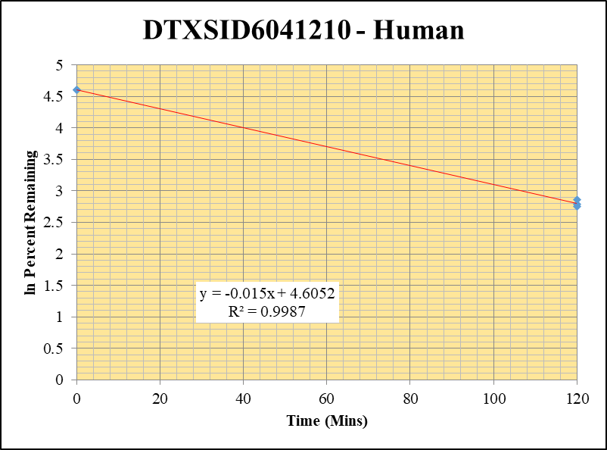
SampleName | CompoundName | Transition | Area | ISTD Area | ISTDResponseRatio | % Remaining | Time (mins) | ln % Remaining
Blank_5_415 | DTXSID6041210 | 93 | 41308.308814 | 7448115.1903 | 0 |  | Blank not used |  | DTXSID6041210 - Human | 2 |  |  |  | Time (Mins) | % Remaining Replica 1 | % Remaining Replica 2 | % Remaining Replica 3 | Average
Blank_6_416 | DTXSID6041210 | 93 | 57627.591918 | 7110982.4794 | 0 |  |  |  | Time (Mins) | 25 |  |  |  | 120 | 16.2% | 15.7% | 17.5% | 16.5%
 |  |  |  |  |  |  |  |  | ln Percent Remaining | 30 |  |  |  | 0 | 100% | 100% | 100% | 100%
DTXSID6041210_1uM_HI__120_1_142 | DTXSID6041210 | 93 | 3747.01826 | 8095322.4489 | 0.00046286213843 | 16.225099406 | 120 | 2.7865593893 |  |  | 1 | 120 | 2.7865593893
DTXSID6041210_1uM_HI__120_2_143 | DTXSID6041210 | 93 | 4230.5377737 | 8792608.1514 | 0.00048114708411 | 15.674853649 | 120 | 2.7520577499 |  |  | 2 | 120 | 2.7520577499 | Slope | -0.01504
DTXSID6041210_1uM_HI__120_3_144 | DTXSID6041210 | 93 | 4601.4229084 | 8650754.3352 | 0.00053191001964 | 17.512561712 | 120 | 2.8629184356 |  |  | 3 | 120 | 2.8629184356 | Intercept | 4.61
DTXSID6041210_1uM___0_1_139 | DTXSID6041210 | 93 | 22835.829038 | 8004836.9786 | 0.0028527537911 | 100 | 0 | 4.605170186 |  |  | 4 | 0 | 4.605170186 | R2 | 0.999
DTXSID6041210_1uM___0_2_140 | DTXSID6041210 | 93 | 23965.211491 | 7807408.487 | 0.0030695475369 | 100 | 0 | 4.605170186 |  |  | 5 | 0 | 4.605170186 | T½ (mins) | 46
DTXSID6041210_1uM___0_3_141 | DTXSID6041210 | 93 | 25591.573498 | 8425748.5976 | 0.0030373056117 | 100 | 0 | 4.605170186 |  |  | 6 | 0 | 4.605170186 | CLint (µl/min/106 cells) | 30.08
 |  |  |  |  |  |  |  |  |  |  |  |  |  | Comments

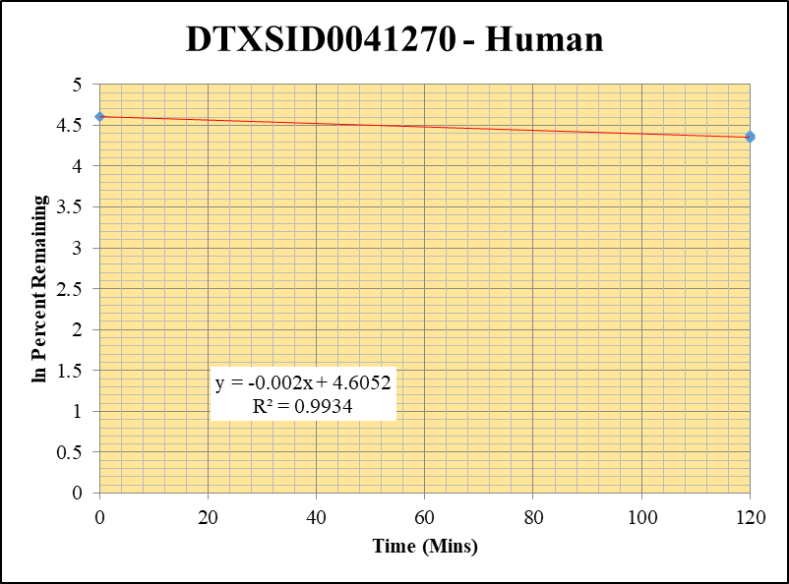
Blank_5_415 | DTXSID0041270 | 57 | 0 | 7448115.1903 | 0 |  |  |  | DTXSID0041270 - Human | 3 |  |  |  | Time (Mins) | % Remaining Replica 1 | % Remaining Replica 2 | % Remaining Replica 3 | Average
Blank_6_416 | DTXSID0041270 | 57 | 0 | 7110982.4794 | 0 |  |  |  | Time (Mins) | 45 |  |  |  | 120 | 77.3% | 77.6% | 79.8% | 78.2%
 |  |  |  |  |  |  |  |  | ln Percent Remaining | 50 |  |  |  | 0 | 100% | 100% | 100% | 100%
DTXSID0041270_1uM_HI__120_1_34 | DTXSID0041270 | 57 | 1263013674.2 | 12364916.723 | 102.14493979 | 77.260646459 | 120 | 4.3471847245 |  |  | 1 | 120 | 4.3471847245
DTXSID0041270_1uM_HI__120_2_35 | DTXSID0041270 | 57 | 1251755582.8 | 11850441.665 | 105.62944556 | 77.589968588 | 120 | 4.3514381481 |  |  | 2 | 120 | 4.3514381481 | Slope | -0.00205
DTXSID0041270_1uM_HI__120_3_36 | DTXSID0041270 | 57 | 1236105811.8 | 11910808.982 | 103.78017259 | 79.763743364 | 120 | 4.3790690574 |  |  | 3 | 120 | 4.3790690574 | Intercept | 4.61
DTXSID0041270_1uM___0_1_31 | DTXSID0041270 | 57 | 1394989417.3 | 10551456.039 | 132.20823857 | 100 | 0 | 4.605170186 |  |  | 4 | 0 | 4.605170186 | R2 | 0.993
DTXSID0041270_1uM___0_2_32 | DTXSID0041270 | 57 | 1399487644.6 | 10279917.859 | 136.13801821 | 100 | 0 | 4.605170186 |  |  | 5 | 0 | 4.605170186 | T½ (mins) | 338
DTXSID0041270_1uM___0_3_33 | DTXSID0041270 | 57 | 1428111769.1 | 10976233.495 | 130.10945602 | 100 | 0 | 4.605170186 |  |  | 6 | 0 | 4.605170186 | CLint (µl/min/106 cells) | 4.10
 |  |  |  |  |  |  |  |  |  |  |  |  |  | Comments

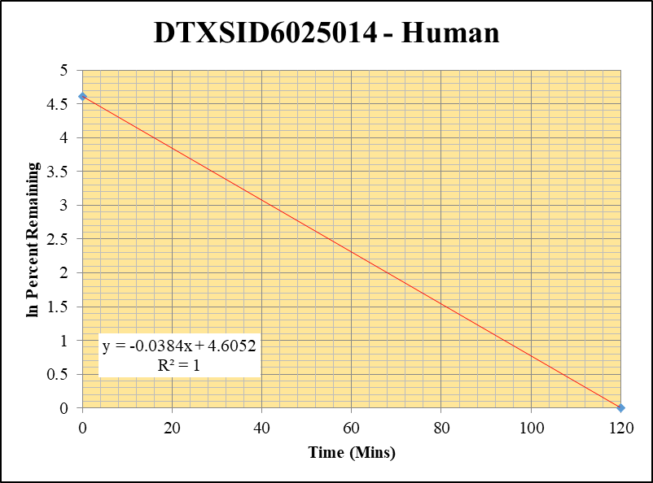
Blank_5_415 | DTXSID6025014 | 125 | 0 | 7448115.1903 | 0 |  |  |  | DTXSID6025014 - Human | 4 |  |  |  | Time (Mins) | % Remaining Replica 1 | % Remaining Replica 2 | % Remaining Replica 3 | Average
Blank_6_416 | DTXSID6025014 | 125 | 0 | 7110982.4794 | 0 |  |  |  | Time (Mins) | 65 |  |  |  | 120 | 0.0% | 0.0% | 0.0% | 0.0%
 |  |  |  |  |  |  |  |  | ln Percent Remaining | 70 |  |  |  | 0 | 100% | 100% | 100% | 100%
DTXSID6025014_1uM_HI__120_1_16 | DTXSID6025014 | 125 | NF | 13021375.208 | 0 | 0 | 120 | #NUM! |  |  | 1 | 120
DTXSID6025014_1uM_HI__120_2_17 | DTXSID6025014 | 125 | NF | 12766448.34 | 0 | 0 | 120 | #NUM! |  |  | 2 | 120 |  | Slope
DTXSID6025014_1uM_HI__120_3_18 | DTXSID6025014 | 125 | NF | 13105702.504 | 0 | 0 | 120 | #NUM! |  |  | 3 | 120 |  | Intercept
DTXSID6025014_1uM___0_1_13 | DTXSID6025014 | 125 | 816096.76244 | 11490811.758 | 0.071021680591 | 100 | 0 | 4.605170186 |  |  | 4 | 0 | 4.605170186 | R2
DTXSID6025014_1uM___0_2_14 | DTXSID6025014 | 125 | 805721.66841 | 10861681.871 | 0.074180194005 | 100 | 0 | 4.605170186 |  |  | 5 | 0 | 4.605170186 | T½ (mins)
DTXSID6025014_1uM___0_3_15 | DTXSID6025014 | 125 | 746287.01718 | 10888362.57 | 0.068539875706 | 100 | 0 | 4.605170186 |  |  | 6 | 0 | 4.605170186 | CLint (µl/min/106 cells) | 0.00
 |  |  |  |  |  |  |  |  |  |  |  |  |  | Comments

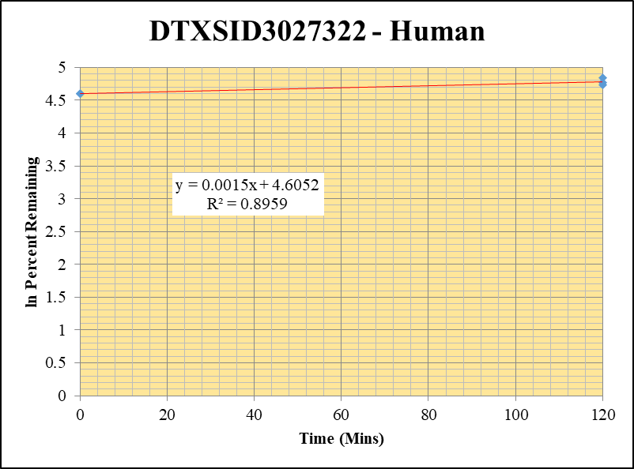
Blank_5_415 | DTXSID3027322 | 58 | 162862.05428 | 7448115.1903 | 0 |  | Blank not used |  | DTXSID3027322 - Human | 6 |  |  |  | Time (Mins) | % Remaining Replica 1 | % Remaining Replica 2 | % Remaining Replica 3 | Average
Blank_6_416 | DTXSID3027322 | 58 | 187910.25908 | 7110982.4794 | 0 |  |  |  | Time (Mins) | 105 |  |  |  | 120 | 118.2% | 126.2% | 113.9% | 119.4%
 |  |  |  |  |  |  |  |  | ln Percent Remaining | 110 |  |  |  | 0 | 100% | 100% | 100% | 100%
DTXSID3027322_1uM_HI__120_1_52 | DTXSID3027322 | 58 | 9929911.1667 | 11770218.348 | 0.84364715025 | 118.21957959 | 120 | 4.7725437392 |  |  | 1 | 120 | 4.7725437392
DTXSID3027322_1uM_HI__120_2_53 | DTXSID3027322 | 58 | 9472700.4841 | 11505493.384 | 0.82331979759 | 126.22419591 | 120 | 4.8380596584 |  |  | 2 | 120 | 4.8380596584 | Slope | 0.00147
DTXSID3027322_1uM_HI__120_3_54 | DTXSID3027322 | 58 | 8665898.9436 | 11080303.481 | 0.78209942162 | 113.85997869 | 120 | 4.7349694364 |  |  | 3 | 120 | 4.7349694364 | Intercept | 4.61
DTXSID3027322_1uM___0_1_49 | DTXSID3027322 | 58 | 6779397.2004 | 9499913.4017 | 0.71362726308 | 100 | 0 | 4.605170186 |  |  | 4 | 0 | 4.605170186 | R2 | 0.896
DTXSID3027322_1uM___0_2_50 | DTXSID3027322 | 58 | 6090602.3707 | 9337579.2625 | 0.6522678094 | 100 | 0 | 4.605170186 |  |  | 5 | 0 | 4.605170186 | T½ (mins)
DTXSID3027322_1uM___0_3_51 | DTXSID3027322 | 58 | 6386654.3252 | 9297850.1875 | 0.68689580886 | 100 | 0 | 4.605170186 |  |  | 6 | 0 | 4.605170186 | CLint (µl/min/106 cells) | 0.00
 |  |  |  |  |  |  |  |  |  |  |  |  |  | Comments

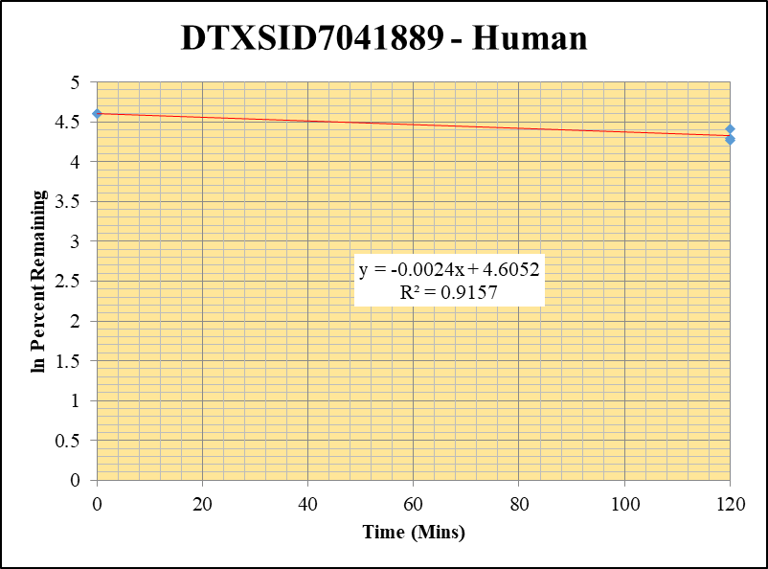
Blank_5_415 | DTXSID7041889 | 94 | 1132956.9732 | 7448115.1903 | 0.15211324533 |  |  |  | DTXSID7041889 - Human | 8 |  |  |  | Time (Mins) | % Remaining Replica 1 | % Remaining Replica 2 | % Remaining Replica 3 | Average
Blank_6_416 | DTXSID7041889 | 94 | 986981.06799 | 7110982.4794 | 0.13879672336 |  |  |  | Time (Mins) | 145 |  |  |  | 120 | 73.3% | 82.0% | 71.2% | 75.5%
 |  |  |  |  |  |  |  |  | ln Percent Remaining | 150 |  |  |  | 0 | 100% | 100% | 100% | 100%
DTXSID7041889_1uM_HI__120_1_196 | DTXSID7041889 | 94 | 6493826.3267 | 8033788.413 | 0.80831433352 | 73.269179167 | 120 | 4.2941400453 |  |  | 1 | 120 | 4.2941400453
DTXSID7041889_1uM_HI__120_2_197 | DTXSID7041889 | 94 | 7005350.3841 | 7799075.254 | 0.89822833554 | 81.954963769 | 120 | 4.4061698741 |  |  | 2 | 120 | 4.4061698741 | Slope | -0.00236
DTXSID7041889_1uM_HI__120_3_198 | DTXSID7041889 | 94 | 6322408.084 | 7953744.7778 | 0.79489702782 | 71.179127055 | 120 | 4.2651996161 |  |  | 3 | 120 | 4.2651996161 | Intercept | 4.61
DTXSID7041889_1uM___0_1_193 | DTXSID7041889 | 94 | 7513835.9906 | 7155042.4728 | 1.0501455469 | 100 | 0 | 4.605170186 |  |  | 4 | 0 | 4.605170186 | R2 | 0.916
DTXSID7041889_1uM___0_2_194 | DTXSID7041889 | 94 | 7697776.8467 | 7234917.6479 | 1.0639757384 | 100 | 0 | 4.605170186 |  |  | 5 | 0 | 4.605170186 | T½ (mins) | 294
DTXSID7041889_1uM___0_3_195 | DTXSID7041889 | 94 | 7670066.2175 | 7250548.2901 | 1.057860166 | 100 | 0 | 4.605170186 |  |  | 6 | 0 | 4.605170186 | CLint (µl/min/106 cells) | 4.7
 |  |  |  |  |  |  |  |  |  |  |  |  |  | Comments


Blank_5_415 | DTXSID9026500 | 189 | 0 | 7448115.1903 | 0 |  |  |  | DTXSID9026500 - Human | 9 |  |  |  | Time (Mins) | % Remaining Replica 1 | % Remaining Replica 2 | % Remaining Replica 3 | Average
Blank_6_416 | DTXSID9026500 | 189 | 0 | 7110982.4794 | 0 |  |  |  | Time (Mins) | 165 |  |  |  | 120 | 0.0% | 0.0% | 0.0% | 0.0%
 |  |  |  |  |  |  |  |  | ln Percent Remaining | 170 |  |  |  | 0 | 100% | 100% | 100% | 100%
DTXSID9026500_1uM_HI__120_1_88 | DTXSID9026500 | 189 | NF | 9663417.6025 | 0 | 0 | 120 | #NUM! |  |  | 1 | 120
DTXSID9026500_1uM_HI__120_2_89 | DTXSID9026500 | 189 | NF | 9878481.5379 | 0 | 0 | 120 | #NUM! |  |  | 2 | 120 |  | Slope
DTXSID9026500_1uM_HI__120_3_90 | DTXSID9026500 | 189 | NF | 9955401.0927 | 0 | 0 | 120 | #NUM! |  |  | 3 | 120 |  | Intercept
DTXSID9026500_1uM___0_1_85 | DTXSID9026500 | 189 | 92120.148064 | 8716525.0287 | 0.010568448752 | 100 | 0 | 4.605170186 |  |  | 4 | 0 | 4.605170186 | R2
DTXSID9026500_1uM___0_2_86 | DTXSID9026500 | 189 | 120095.12549 | 8522602.0051 | 0.014091368507 | 100 | 0 | 4.605170186 |  |  | 5 | 0 | 4.605170186 | T½ (mins)
DTXSID9026500_1uM___0_3_87 | DTXSID9026500 | 189 | 111480.44955 | 8555048.279 | 0.013030955047 | 100 | 0 | 4.605170186 |  |  | 6 | 0 | 4.605170186 | CLint (µl/min/106 cells) | 0.00
 |  |  |  |  |  |  |  |  |  |  |  |  |  | Comments

